Kids Watch
NO. | Image Name SKU | SKU | Images | Price | MOQ | Detail 1 | Detail 2 | Detail 3 | Detail 4 | Detail 5 | Detail 6 | Detail 7 | Detail 8 | Detail 9 | Description
1 | 25BK5 | FW-25-BK-05 | 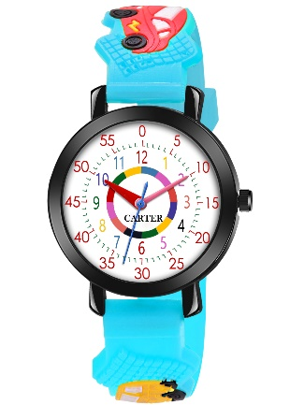 | 265 | 25 | Alloy Case | I | Silccon Band | I | 3D Pattern | I | Time Teacher Watch | I | Black | Alloy Case I Silccon Band I 3D Pattern I Time Teacher Watch I Black
2 | 25BK5 | FW-25-BK-10 | 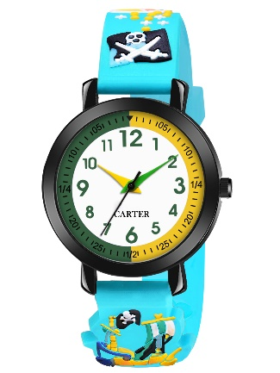 | 265 | 25 | Alloy Case | I | Silccon Band | I | 3D Pattern | I | Time Teacher Watch | I | Black | Alloy Case I Silccon Band I 3D Pattern I Time Teacher Watch I Black
3 | 25BK5 | FW-25-BK-11 | 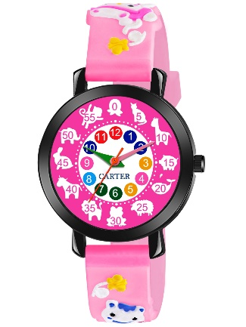 | 265 | 25 | Alloy Case | I | Silccon Band | I | 3D Pattern | I | Time Teacher Watch | I | Black | Alloy Case I Silccon Band I 3D Pattern I Time Teacher Watch I Black
4 | 25BK5 | FW-25-BK-12 | 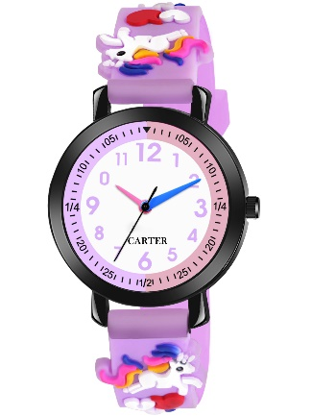 | 265 | 25 | Alloy Case | I | Silccon Band | I | 3D Pattern | I | Time Teacher Watch | I | Black | Alloy Case I Silccon Band I 3D Pattern I Time Teacher Watch I Black
5 | 25BK5 | FW-25-BK-13 | 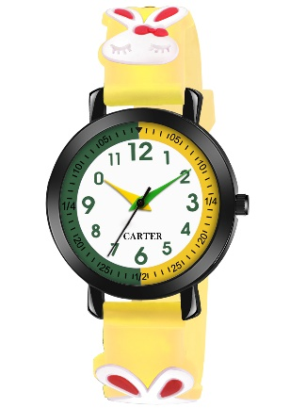 | 265 | 25 | Alloy Case | I | Silccon Band | I | 3D Pattern | I | Time Teacher Watch | I | Black | Alloy Case I Silccon Band I 3D Pattern I Time Teacher Watch I Black
6 | 25BK6 | FW-25-BK-06 | 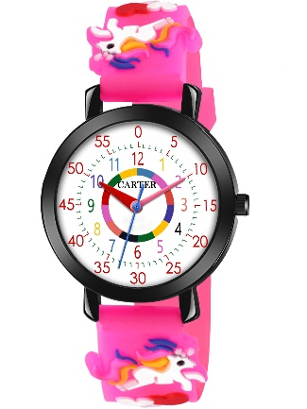 | 265 | 25 | Alloy Case | I | Silccon Band | I | 3D Pattern | I | Time Teacher Watch | I | Black | Alloy Case I Silccon Band I 3D Pattern I Time Teacher Watch I Black
7 | 25BK6 | FW-25-BK-07 | 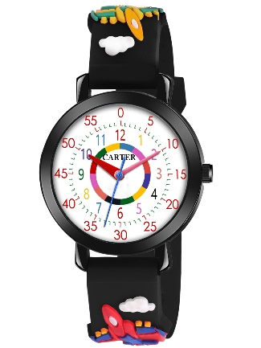 | 265 | 25 | Alloy Case | I | Silccon Band | I | 3D Pattern | I | Time Teacher Watch | I | Black | Alloy Case I Silccon Band I 3D Pattern I Time Teacher Watch I Black
8 | 25BK6 | FW-25-BK-08 | 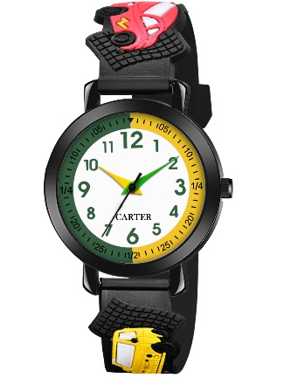 | 265 | 25 | Alloy Case | I | Silccon Band | I | 3D Pattern | I | Time Teacher Watch | I | Black | Alloy Case I Silccon Band I 3D Pattern I Time Teacher Watch I Black
9 | 25BK6 | FW-25-BK-09 |  | 265 | 25 | Alloy Case | I | Silccon Band | I | 3D Pattern | I | Time Teacher Watch | I | Black | Alloy Case I Silccon Band I 3D Pattern I Time Teacher Watch I Black
10 | 25SL4 | FW-25-SL-04 | 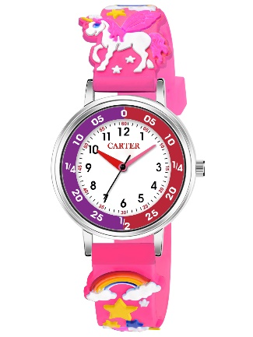 | 265 | 25 | Alloy Case | I | Silccon Band | I | 3D Pattern | I | Time Teacher Watch | I | Silver | Alloy Case I Silccon Band I 3D Pattern I Time Teacher Watch I Silver
11 | 25SL4 | FW-25-SL-15 | 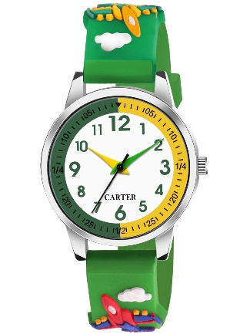 | 265 | 25 | Alloy Case | I | Silccon Band | I | 3D Pattern | I | Time Teacher Watch | I | Silver | Alloy Case I Silccon Band I 3D Pattern I Time Teacher Watch I Silver
12 | 25SL4 | FW-25-SL-16 | 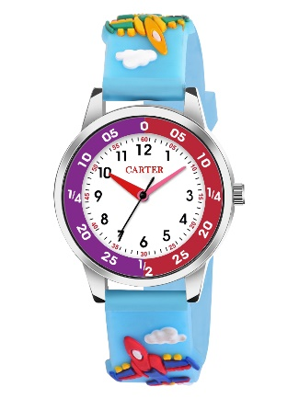 | 265 | 25 | Alloy Case | I | Silccon Band | I | 3D Pattern | I | Time Teacher Watch | I | Silver | Alloy Case I Silccon Band I 3D Pattern I Time Teacher Watch I Silver
13 | 25SL4 | FW-25-SL-17 | 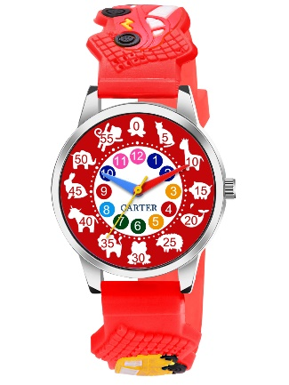 | 265 | 25 | Alloy Case | I | Silccon Band | I | 3D Pattern | I | Time Teacher Watch | I | Silver | Alloy Case I Silccon Band I 3D Pattern I Time Teacher Watch I Silver
14 | 25SL5 | FW-25-SL-05 | 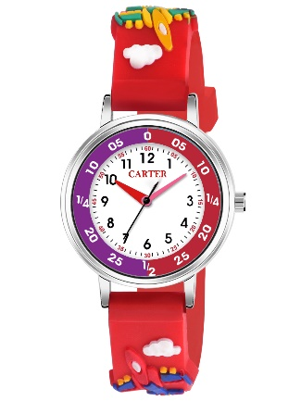 | 265 | 25 | Alloy Case | I | Silccon Band | I | 3D Pattern | I | Time Teacher Watch | I | Silver | Alloy Case I Silccon Band I 3D Pattern I Time Teacher Watch I Silver
15 | 25SL5 | FW-25-SL-11 | 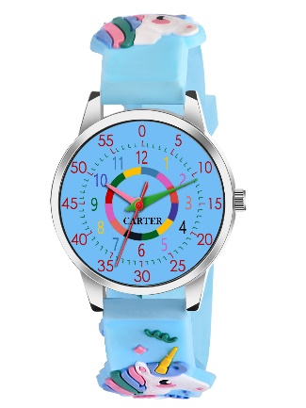 | 265 | 25 | Alloy Case | I | Silccon Band | I | 3D Pattern | I | Time Teacher Watch | I | Silver | Alloy Case I Silccon Band I 3D Pattern I Time Teacher Watch I Silver
16 | 25SL5 | FW-25-SL-12 | 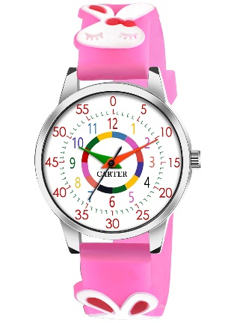 | 265 | 25 | Alloy Case | I | Silccon Band | I | 3D Pattern | I | Time Teacher Watch | I | Silver | Alloy Case I Silccon Band I 3D Pattern I Time Teacher Watch I Silver
17 | 25SL5 | FW-25-SL-13 | 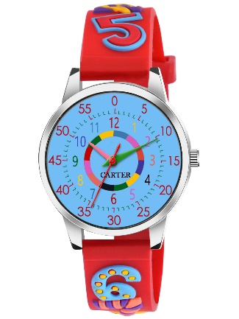 | 265 | 25 | Alloy Case | I | Silccon Band | I | 3D Pattern | I | Time Teacher Watch | I | Silver | Alloy Case I Silccon Band I 3D Pattern I Time Teacher Watch I Silver
18 | 25SL5 | FW-25-SL-14 | 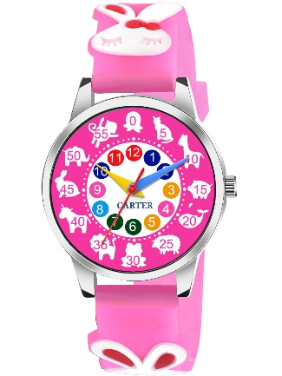 | 265 | 25 | Alloy Case | I | Silccon Band | I | 3D Pattern | I | Time Teacher Watch | I | Silver | Alloy Case I Silccon Band I 3D Pattern I Time Teacher Watch I Silver
19 | 25SL6 | FW-25-SL-06 | 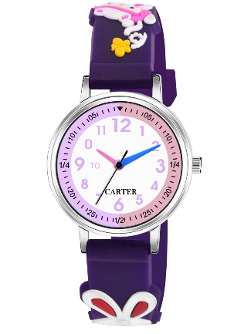 | 265 | 25 | Alloy Case | I | Silccon Band | I | 3D Pattern | I | Time Teacher Watch | I | Silver | Alloy Case I Silccon Band I 3D Pattern I Time Teacher Watch I Silver
20 | 25SL6 | FW-25-SL-07 | 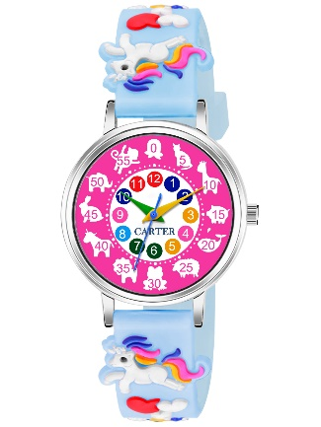 | 265 | 25 | Alloy Case | I | Silccon Band | I | 3D Pattern | I | Time Teacher Watch | I | Silver | Alloy Case I Silccon Band I 3D Pattern I Time Teacher Watch I Silver
21 | 25SL6 | FW-25-SL-08 | 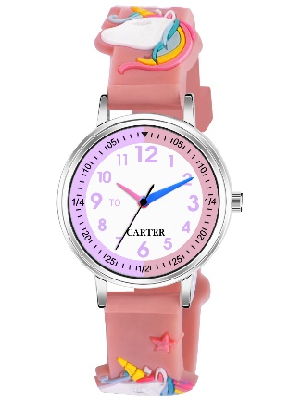 | 265 | 25 | Alloy Case | I | Silccon Band | I | 3D Pattern | I | Time Teacher Watch | I | Silver | Alloy Case I Silccon Band I 3D Pattern I Time Teacher Watch I Silver
22 | 25SL6 | FW-25-SL-09 | 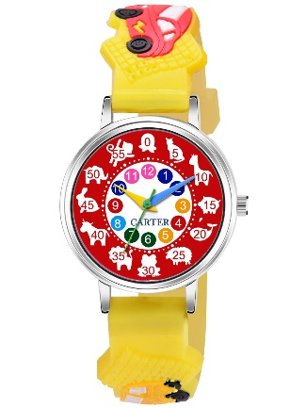 | 265 | 25 | Alloy Case | I | Silccon Band | I | 3D Pattern | I | Time Teacher Watch | I | Silver | Alloy Case I Silccon Band I 3D Pattern I Time Teacher Watch I Silver
23 | 25SL6 | FW-25-SL-10 | 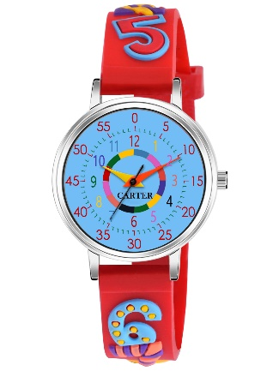 | 265 | 25 | Alloy Case | I | Silccon Band | I | 3D Pattern | I | Time Teacher Watch | I | Silver | Alloy Case I Silccon Band I 3D Pattern I Time Teacher Watch I Silver
24 | F25BK | FW-25-BK-01 | 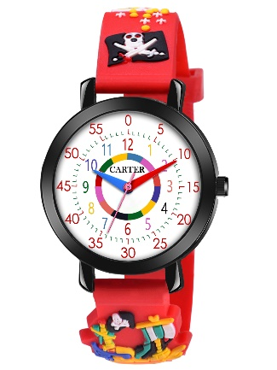 | 265 | 25 | Alloy Case | I | Silccon Band | I | 3D Pattern | I | Time Teacher Watch | I | Silver | Alloy Case I Silccon Band I 3D Pattern I Time Teacher Watch I Silver
25 | F25BK | FW-25-BK-02 | 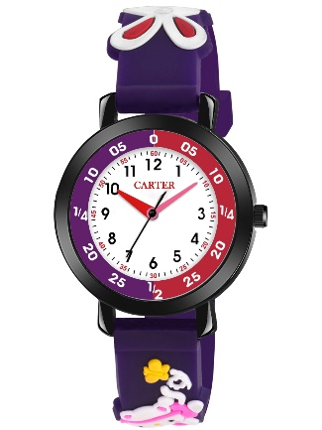 | 265 | 25 | Alloy Case | I | Silccon Band | I | 3D Pattern | I | Time Teacher Watch | I | Silver | Alloy Case I Silccon Band I 3D Pattern I Time Teacher Watch I Silver
26 | F25BK | FW-25-BK-03 | 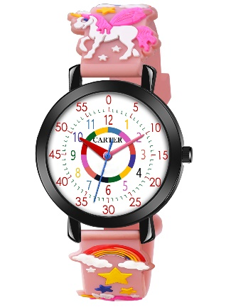 | 265 | 25 | Alloy Case | I | Silccon Band | I | 3D Pattern | I | Time Teacher Watch | I | Silver | Alloy Case I Silccon Band I 3D Pattern I Time Teacher Watch I Silver
27 | F25BK | FW-25-BK-04 | 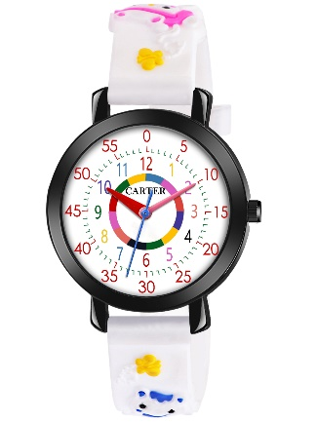 | 265 | 25 | Alloy Case | I | Silccon Band | I | 3D Pattern | I | Time Teacher Watch | I | Silver | Alloy Case I Silccon Band I 3D Pattern I Time Teacher Watch I Silver
28 | F25SL | FW-25-SL-01 | 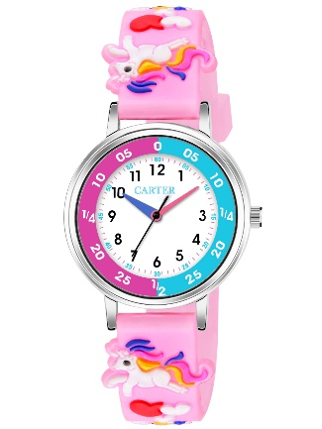 | 265 | 25 | Alloy Case | I | Silccon Band | I | 3D Pattern | I | Time Teacher Watch | I | Silver | Alloy Case I Silccon Band I 3D Pattern I Time Teacher Watch I Silver
29 | F25SL | FW-25-SL-02 | 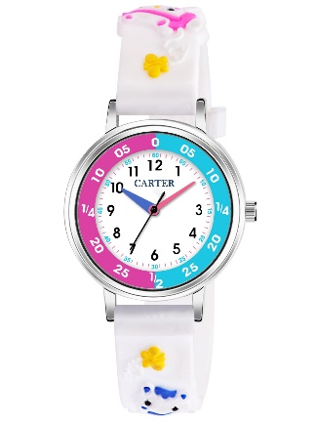 | 265 | 25 | Alloy Case | I | Silccon Band | I | 3D Pattern | I | Time Teacher Watch | I | Silver | Alloy Case I Silccon Band I 3D Pattern I Time Teacher Watch I Silver
30 | F25SL | FW-25-SL-03 | 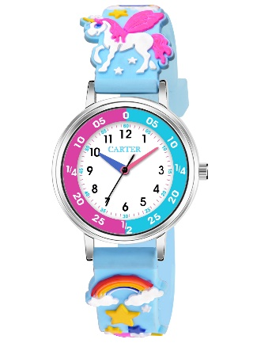 | 265 | 25 | Alloy Case | I | Silccon Band | I | 3D Pattern | I | Time Teacher Watch | I | Silver | Alloy Case I Silccon Band I 3D Pattern I Time Teacher Watch I Silver
31 | F25SL | FW-25-SL-18 | 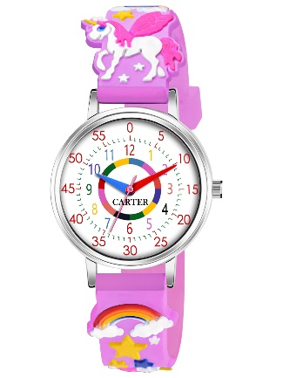 | 265 | 25 | Alloy Case | I | Silccon Band | I | 3D Pattern | I | Time Teacher Watch | I | Silver | Alloy Case I Silccon Band I 3D Pattern I Time Teacher Watch I Silver
32 | F2133 | FW-2133-PK | 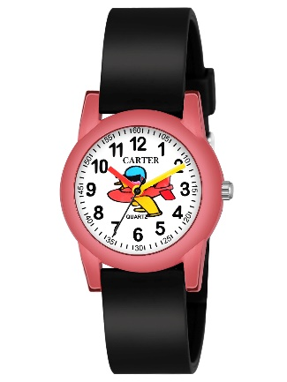 | 295 | 25 | Alloy Case | I | Silccon Band | I | Designer Dial | I | IP Plating | I | Silver | Alloy Case I Silccon Band I Designer Dial I IP Plating I Silver
33 | F2133 | FW-2133-S.BL | 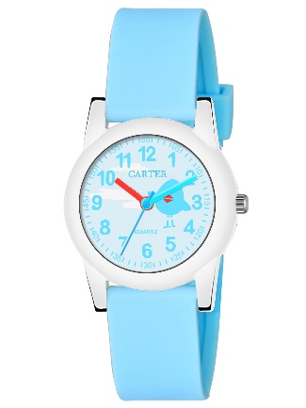 | 295 | 25 | Alloy Case | I | Silccon Band | I | Designer Dial | I | IP Plating | I | Silver | Alloy Case I Silccon Band I Designer Dial I IP Plating I Silver
34 | F2139 | FW-2139-BK | 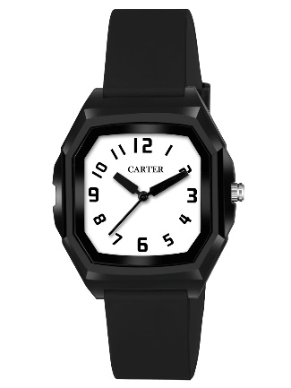 | 295 | 25 | Alloy Case | I | Silccon Band | I | Designer Dial | I | IP Plating | I | Silver | Alloy Case I Silccon Band I Designer Dial I IP Plating I Silver
35 | F2139 | FW-2139-OR | 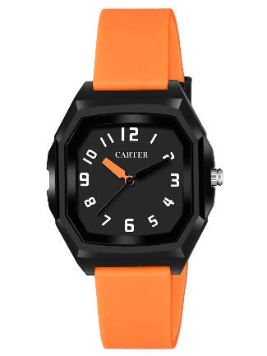 | 295 | 25 | Alloy Case | I | Silccon Band | I | Designer Dial | I | IP Plating | I | Silver | Alloy Case I Silccon Band I Designer Dial I IP Plating I Silver
36 | F2206 | FW-2206-BK | 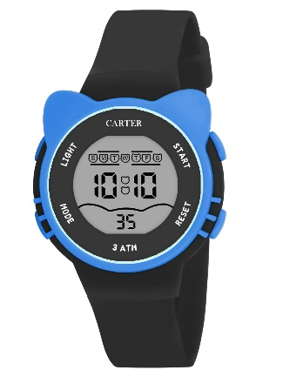 | 285 | 25 | Alloy Case | I | Silccon Band | I | Digital | I | IP Plating | I | Silver | Alloy Case I Silccon Band I Digital I IP Plating I Silver
37 | F2206 | FW-2206-BL | 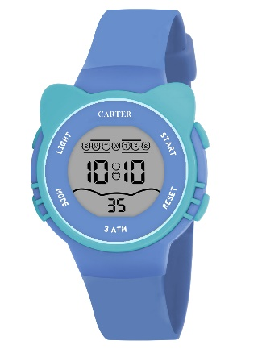 | 285 | 25 | Alloy Case | I | Silccon Band | I | Digital | I | IP Plating | I | Silver | Alloy Case I Silccon Band I Digital I IP Plating I Silver
38 | F2206 | FW-2206-GR | 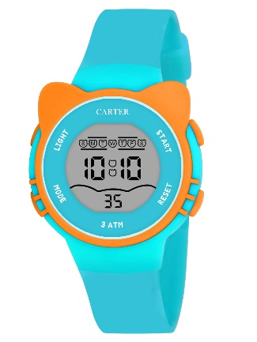 | 285 | 25 | Alloy Case | I | Silccon Band | I | Digital | I | IP Plating | I | Silver | Alloy Case I Silccon Band I Digital I IP Plating I Silver
39 | F2206 | FW-2206-PK | 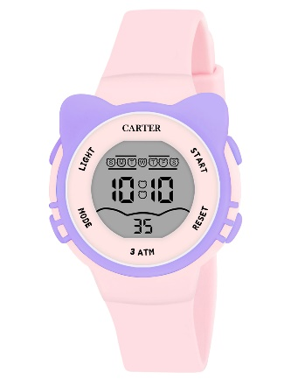 | 285 | 25 | Alloy Case | I | Silccon Band | I | Digital | I | IP Plating | I | Silver | Alloy Case I Silccon Band I Digital I IP Plating I Silver
40 | F2206 | FW-2206-PR | 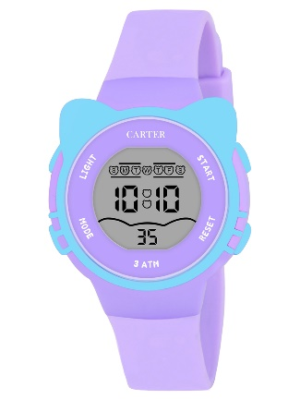 | 285 | 25 | Alloy Case | I | Silccon Band | I | Digital | I | IP Plating | I | Silver | Alloy Case I Silccon Band I Digital I IP Plating I Silver
41 | F2206 | FW-2206-WH | 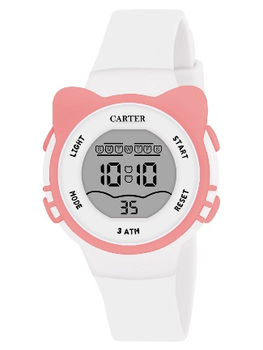 | 285 | 25 | Alloy Case | I | Silccon Band | I | Digital | I | IP Plating | I | Silver | Alloy Case I Silccon Band I Digital I IP Plating I Silver
42 | F2217 | FW-2217-N.BL | 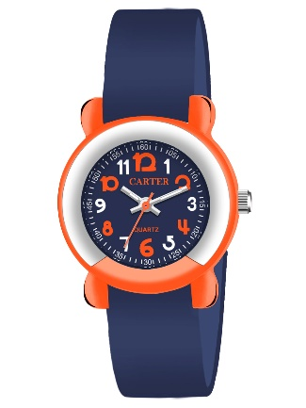 | 285 | 25 | Alloy Case | I | Silccon Band | I | Designer Dial | I | IP Plating | I | Silver | Alloy Case I Silccon Band I Designer Dial I IP Plating I Silver
43 | F2217 | FW-2217-PR | 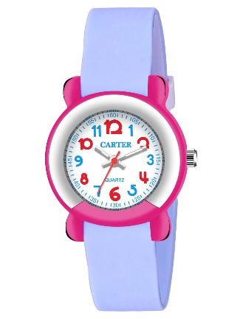 | 285 | 25 | Alloy Case | I | Silccon Band | I | Designer Dial | I | IP Plating | I | Silver | Alloy Case I Silccon Band I Designer Dial I IP Plating I Silver
44 | F2217 | FW-2217-PTBL | 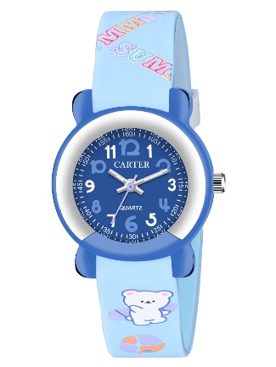 | 345 | 25 | Alloy Case | I | Silccon Band | I | Designer Dial | I | IP Plating | I | Silver | Alloy Case I Silccon Band I Designer Dial I IP Plating I Silver
45 | F2217 | FW-2217-PTGR | 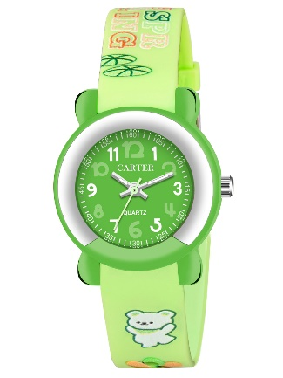 | 345 | 25 | Alloy Case | I | Silccon Band | I | Designer Dial | I | IP Plating | I | Silver | Alloy Case I Silccon Band I Designer Dial I IP Plating I Silver
46 | F2217 | FW-2217-PTPK | 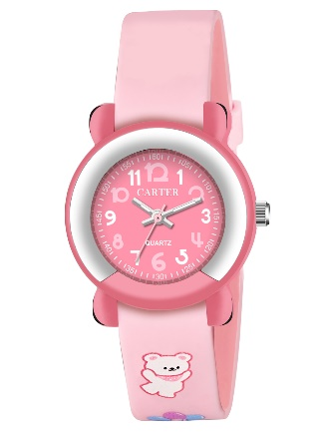 | 345 | 25 | Alloy Case | I | Silccon Band | I | Designer Dial | I | IP Plating | I | Silver | Alloy Case I Silccon Band I Designer Dial I IP Plating I Silver
47 | F2226 | FW-2226-BK | 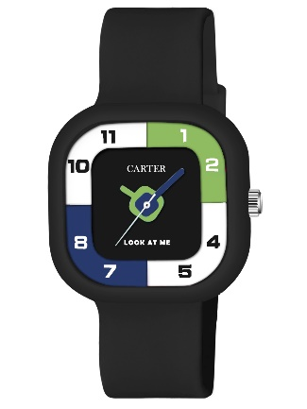 | 310 | 25 | Alloy Case | I | Silccon Band | I | Designer Dial | I | IP Plating | I | Silver | Alloy Case I Silccon Band I Designer Dial I IP Plating I Silver
48 | F2226 | FW-2226-PK | 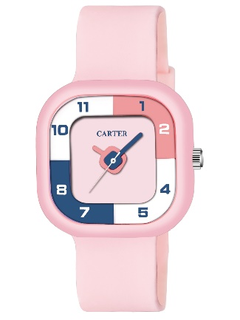 | 310 | 25 | Alloy Case | I | Silccon Band | I | Designer Dial | I | IP Plating | I | Silver | Alloy Case I Silccon Band I Designer Dial I IP Plating I Silver
49 | F2226 | FW-2226-PR | 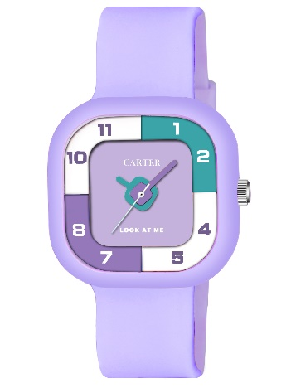 | 265 | 25 | Alloy Case | I | Silccon Band | I | 3D Pattern | I | Time Teacher Watch | I | Silver | Alloy Case I Silccon Band I 3D Pattern I Time Teacher Watch I Silver
50 | F9002 | FW-9002-OR | 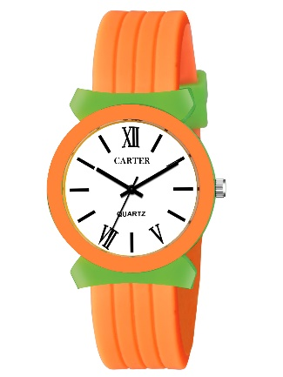 | 285 | 25 | Alloy Case | I | Silccon Band | I | Designer Dial | I | IP Plating | I | Silver | Alloy Case I Silccon Band I Designer Dial I IP Plating I Silver
51 | F9002 | FW-9002-PK | 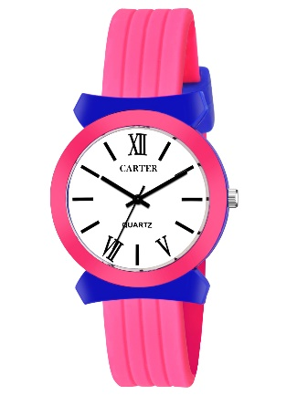 | 285 | 25 | Alloy Case | I | Silccon Band | I | Designer Dial | I | IP Plating | I | Silver | Alloy Case I Silccon Band I Designer Dial I IP Plating I Silver
52 | F9002 | FW-9002-RD |  | 285 | 25 | Alloy Case | I | Silccon Band | I | Designer Dial | I | IP Plating | I | Silver | Alloy Case I Silccon Band I Designer Dial I IP Plating I Silver

Men Watch
NO. | Image Name SKU | SKU | Ref. Images | Price | MOQ | Detail 1 | Detail 2 | Detail 3 | Detail 4 | Detail 5 | Detail 6 | Detail 7 | Detail 8 | Detail 9 | Description
1 | M0009 | MH-09-RG |  | 375 | 25 | Alloy Case | I | SS Chain | I | Shaffer Patern | I | IP Plating | I | Rose Gold | Alloy Case I SS Chain I Shaffer Patern I IP Plating I Rose Gold
2 | M0009 | MH-211-RG |  | 375 | 25 | Alloy Case | I | SS Chain | I | Shaffer Patern | I | IP Plating | I | Rose Gold | Alloy Case I SS Chain I Shaffer Patern I IP Plating I Rose Gold
3 | M0009 | MH-225-RG |  | 375 | 25 | Alloy Case | I | SS Chain | I | Shaffer Patern | I | IP Plating | I | Rose Gold | Alloy Case I SS Chain I Shaffer Patern I IP Plating I Rose Gold
4 | M0009 | MH-226-RG |  | 375 | 25 | Alloy Case | I | SS Chain | I | Shaffer Patern | I | IP Plating | I | Rose Gold | Alloy Case I SS Chain I Shaffer Patern I IP Plating I Rose Gold
5 | M0009 | MH-227-RG |  | 375 | 25 | Alloy Case | I | SS Chain | I | Shaffer Patern | I | IP Plating | I | Rose Gold | Alloy Case I SS Chain I Shaffer Patern I IP Plating I Rose Gold
6 | M0009 | MH-228-BK |  | 375 | 25 | Alloy Case | I | SS Chain | I | Shaffer Patern | I | IP Plating | I | Rose Gold | Alloy Case I SS Chain I Shaffer Patern I IP Plating I Rose Gold
7 | M0101 | MH-101-GR |  | 440 | 25 | Brass Case | I | SS Chain | I | Shaffer Patern | I | IP Plating | I | IPS | Brass Case I SS Chain I Shaffer Patern I IP Plating I IPS
8 | M0101 | MH-103-WH |  | 440 | 25 | Brass Case | I | SS Chain | I | Shaffer Patern | I | IP Plating | I | IPS | Brass Case I SS Chain I Shaffer Patern I IP Plating I IPS
9 | M0101 | MH-212-BK |  | 440 | 25 | Brass Case | I | SS Chain | I | Shaffer Patern | I | IP Plating | I | IPS | Brass Case I SS Chain I Shaffer Patern I IP Plating I IPS
10 | M0101 | MH-213-SL |  | 440 | 25 | Brass Case | I | SS Chain | I | Shaffer Patern | I | IP Plating | I | IPS | Brass Case I SS Chain I Shaffer Patern I IP Plating I IPS
11 | M0104 | MH-104-BK |  | 390 | 25 | Alloy Case | I | SS Chain | I | Lobor Lock | I | IP Plating | I | IPS | Alloy Case I SS Chain I Lobor Lock I IP Plating I IPS
12 | M0104 | MH-204-SL |  | 390 | 25 | Alloy Case | I | SS Chain | I | Lobor Lock | I | IP Plating | I | IPS | Alloy Case I SS Chain I Lobor Lock I IP Plating I IPS
13 | M0104 | MH-207-SL |  | 390 | 25 | Alloy Case | I | SS Chain | I | Lobor Lock | I | IP Plating | I | IPS | Alloy Case I SS Chain I Lobor Lock I IP Plating I IPS
14 | M0104 | MH-208-GR |  | 390 | 25 | Alloy Case | I | SS Chain | I | Lobor Lock | I | IP Plating | I | IPS | Alloy Case I SS Chain I Lobor Lock I IP Plating I IPS
15 | M0104 | MH-244-BK |  | 390 | 25 | Alloy Case | I | SS Chain | I | Lobor Lock | I | IP Plating | I | IPS | Alloy Case I SS Chain I Lobor Lock I IP Plating I IPS
16 | M0104 | MH-245-WH |  | 390 | 25 | Alloy Case | I | SS Chain | I | Lobor Lock | I | IP Plating | I | IPS | Alloy Case I SS Chain I Lobor Lock I IP Plating I IPS
17 | M0215 | MH-215-GD |  | 430 | 25 | Alloy Case | I | SS Chain | I | Lobor Lock | I | IP Plating | I | Gold | Alloy Case I SS Chain I Lobor Lock I IP Plating I Gold
18 | M0215 | MH-216-GD |  | 430 | 25 | Alloy Case | I | SS Chain | I | Lobor Lock | I | IP Plating | I | Gold | Alloy Case I SS Chain I Lobor Lock I IP Plating I Gold
19 | M0215 | MH-217-GD |  | 430 | 25 | Alloy Case | I | SS Chain | I | Lobor Lock | I | IP Plating | I | Gold | Alloy Case I SS Chain I Lobor Lock I IP Plating I Gold
20 | M0215 | MH-218-GD |  | 430 | 25 | Alloy Case | I | SS Chain | I | Lobor Lock | I | IP Plating | I | Gold | Alloy Case I SS Chain I Lobor Lock I IP Plating I Gold
21 | M0215 | MH-219-RG |  | 475 | 25 | Alloy Case | I | SS Chain | I | Lobor Lock | I | IP Plating | I | Rose Gold | Alloy Case I SS Chain I Lobor Lock I IP Plating I Rose Gold
22 | M0220 | MH-220-GD |  | 375 | 25 | Alloy Case | I | SS Chain | I | Shaffer Patern | I | IP Plating | I | Rose Gold | Alloy Case I SS Chain I Shaffer Patern I IP Plating I Rose Gold
23 | M0220 | MH-221-GD |  | 375 | 25 | Alloy Case | I | SS Chain | I | Shaffer Patern | I | IP Plating | I | Rose Gold | Alloy Case I SS Chain I Shaffer Patern I IP Plating I Rose Gold
24 | M0220 | MH-222-SL |  | 320 | 25 | Alloy Case | I | SS Chain | I | Shaffer Patern | I | IP Plating | I | IPS | Alloy Case I SS Chain I Shaffer Patern I IP Plating I IPS
25 | M0220 | MH-223-SL |  | 320 | 25 | Alloy Case | I | SS Chain | I | Shaffer Patern | I | IP Plating | I | IPS | Alloy Case I SS Chain I Shaffer Patern I IP Plating I IPS
26 | M0229 | MH-229-BK |  | 380 | 25 | Alloy Case | I | SS Chain | I | Shaffer Patern | I | IP Plating | I | Black | Alloy Case I SS Chain I Shaffer Patern I IP Plating I Black
27 | M0229 | MH-230-SL |  | 320 | 25 | Alloy Case | I | SS Chain | I | Shaffer Patern | I | IP Plating | I | IPS | Alloy Case I SS Chain I Shaffer Patern I IP Plating I IPS
28 | M0229 | MH-231-SL |  | 320 | 25 | Alloy Case | I | SS Chain | I | Shaffer Patern | I | IP Plating | I | IPS | Alloy Case I SS Chain I Shaffer Patern I IP Plating I IPS
29 | M0229 | MH-241-RG |  | 380 | 25 | Alloy Case | I | SS Chain | I | Shaffer Patern | I | IP Plating | I | Rose Gold | Alloy Case I SS Chain I Shaffer Patern I IP Plating I Rose Gold
30 | M0229 | MH-242-RG |  | 380 | 25 | Alloy Case | I | SS Chain | I | Shaffer Patern | I | IP Plating | I | Rose Gold | Alloy Case I SS Chain I Shaffer Patern I IP Plating I Rose Gold
31 | M0229 | MH-243-RG |  | 380 | 25 | Alloy Case | I | SS Chain | I | Shaffer Patern | I | IP Plating | I | Rose Gold | Alloy Case I SS Chain I Shaffer Patern I IP Plating I Rose Gold
32 | M0232 | MH232-GRY |  | 275 | 25 | Alloy Case | I | Silicon Band | I | Designer Dial | I | IP Plating | I | Black | Alloy Case I Silicon Band I Designer Dial I IP Plating I Black
33 | M0232 | MH-234-BK |  | 275 | 25 | Alloy Case | I | Silicon Band | I | Designer Dial | I | IP Plating | I | Black | Alloy Case I Silicon Band I Designer Dial I IP Plating I Black
34 | M0232 | MH-238-GR |  | 275 | 25 | Alloy Case | I | Silicon Band | I | Designer Dial | I | IP Plating | I | Green | Alloy Case I Silicon Band I Designer Dial I IP Plating I Green
35 | M0232 | MH-239-WH |  | 275 | 25 | Alloy Case | I | Silicon Band | I | Designer Dial | I | IP Plating | I | Silver | Alloy Case I Silicon Band I Designer Dial I IP Plating I Silver
36 | M0232 | MH-240-BL |  | 275 | 25 | Alloy Case | I | Silicon Band | I | Designer Dial | I | IP Plating | I | Blue | Alloy Case I Silicon Band I Designer Dial I IP Plating I Blue
37 | M0235 | MH-235-BK |  | 275 | 25 | Alloy Case | I | Silicon Band | I | Designer Dial | I | IP Plating | I | Black | Alloy Case I Silicon Band I Designer Dial I IP Plating I Black
38 | M0235 | MH-237-BL |  | 275 | 25 | Alloy Case | I | Silicon Band | I | Designer Dial | I | IP Plating | I | Blue | Alloy Case I Silicon Band I Designer Dial I IP Plating I Blue
39 | R0100 | RD-01-BR |  | 275 | 25 | Alloy Case | I | Silicon Band | I | Designer Dial | I | IP Plating | I | Dark Brown | Alloy Case I Silicon Band I Designer Dial I IP Plating I Dark Brown
40 | R0100 | RD-100-BL |  | 275 | 25 | Alloy Case | I | Silicon Band | I | Designer Dial | I | IP Plating | I | Silver | Alloy Case I Silicon Band I Designer Dial I IP Plating I Silver
41 | R0100 | RD-101-BK |  | 275 | 25 | Alloy Case | I | Silicon Band | I | Designer Dial | I | IP Plating | I | Black | Alloy Case I Silicon Band I Designer Dial I IP Plating I Black
42 | R0100 | RD-102-WH |  | 275 | 25 | Alloy Case | I | Silicon Band | I | Designer Dial | I | IP Plating | I | Silver | Alloy Case I Silicon Band I Designer Dial I IP Plating I Silver
43 | R0103 | RD-103-BK |  | 390 | 25 | Alloy Case | I | SS Chain | I | Lobor Lock | I | IP Plating | I | IPS | Alloy Case I SS Chain I Lobor Lock I IP Plating I IPS
44 | R0103 | RD-103-WH |  | 390 | 25 | Alloy Case | I | SS Chain | I | Lobor Lock | I | IP Plating | I | IPS | Alloy Case I SS Chain I Lobor Lock I IP Plating I IPS
45 | R0103 | RD-104-BK |  | 390 | 25 | Alloy Case | I | SS Chain | I | Lobor Lock | I | IP Plating | I | IPS | Alloy Case I SS Chain I Lobor Lock I IP Plating I IPS
46 | R0103 | RD-105-BK |  | 390 | 25 | Alloy Case | I | SS Chain | I | Lobor Lock | I | IP Plating | I | IPS | Alloy Case I SS Chain I Lobor Lock I IP Plating I IPS
47 | R0106 | RD-106-BL |  | 390 | 25 | Alloy Case | I | SS Chain | I | Lobor Lock | I | IP Plating | I | IPS | Alloy Case I SS Chain I Lobor Lock I IP Plating I IPS
48 | R0106 | RD-107-BK |  | 390 | 25 | Alloy Case | I | SS Chain | I | Lobor Lock | I | IP Plating | I | IPS | Alloy Case I SS Chain I Lobor Lock I IP Plating I IPS
49 | R0106 | RD-108-BK |  | 390 | 25 | Alloy Case | I | SS Chain | I | Lobor Lock | I | IP Plating | I | IPS | Alloy Case I SS Chain I Lobor Lock I IP Plating I IPS
50 | R0106 | RD-123-SL |  | 390 | 25 | Alloy Case | I | SS Chain | I | Lobor Lock | I | IP Plating | I | IPS | Alloy Case I SS Chain I Lobor Lock I IP Plating I IPS
51 | R0106 | RD-124-BL |  | 390 | 25 | Alloy Case | I | SS Chain | I | Lobor Lock | I | IP Plating | I | IPS | Alloy Case I SS Chain I Lobor Lock I IP Plating I IPS
52 | R0111 | RD-111-BL |  | 275 | 25 | Alloy Case | I | Silicon Band | I | Designer Dial | I | IP Plating | I | Blue | Alloy Case I Silicon Band I Designer Dial I IP Plating I Blue
53 | R0111 | RD-112-GY |  | 275 | 25 | Alloy Case | I | Silicon Band | I | Designer Dial | I | IP Plating | I | Silver | Alloy Case I Silicon Band I Designer Dial I IP Plating I Silver
54 | R0111 | RD-113-BK |  | 275 | 25 | Alloy Case | I | Silicon Band | I | Designer Dial | I | IP Plating | I | Black | Alloy Case I Silicon Band I Designer Dial I IP Plating I Black
55 | R0111 | RD-117-BK |  | 275 | 25 | Alloy Case | I | Silicon Band | I | Designer Dial | I | IP Plating | I | Black | Alloy Case I Silicon Band I Designer Dial I IP Plating I Black
56 | R0111 | RD-119-BK |  | 275 | 25 | Alloy Case | I | Silicon Band | I | Designer Dial | I | IP Plating | I | Black | Alloy Case I Silicon Band I Designer Dial I IP Plating I Black
57 | R0111 | RD-120-BK |  | 275 | 25 | Alloy Case | I | Silicon Band | I | Designer Dial | I | IP Plating | I | Black | Alloy Case I Silicon Band I Designer Dial I IP Plating I Black
58 | R0114 | RD-114-BL |  | 275 | 25 | Alloy Case | I | Silicon Band | I | Designer Dial | I | IP Plating | I | Blue | Alloy Case I Silicon Band I Designer Dial I IP Plating I Blue
59 | R0114 | RD-115-GR |  | 275 | 25 | Alloy Case | I | Silicon Band | I | Designer Dial | I | IP Plating | I | Green | Alloy Case I Silicon Band I Designer Dial I IP Plating I Green
60 | R0114 | RD-116-BK |  | 275 | 25 | Alloy Case | I | Silicon Band | I | Designer Dial | I | IP Plating | I | Silver | Alloy Case I Silicon Band I Designer Dial I IP Plating I Silver
61 | R0114 | RD-118-WH |  | 275 | 25 | Alloy Case | I | Silicon Band | I | Designer Dial | I | IP Plating | I | Black | Alloy Case I Silicon Band I Designer Dial I IP Plating I Black
62 | R0114 | RD-121-GRY |  | 275 | 25 | Alloy Case | I | Silicon Band | I | Designer Dial | I | IP Plating | I | Black | Alloy Case I Silicon Band I Designer Dial I IP Plating I Black
63 | R0125 | RD-125-GRY |  | 275 | 25 | Alloy Case | I | Silicon Band | I | Designer Dial | I | IP Plating | I | Black | Alloy Case I Silicon Band I Designer Dial I IP Plating I Black
64 | R0125 | RD-132-GR |  | 275 | 25 | Alloy Case | I | Silicon Band | I | Designer Dial | I | IP Plating | I | Silver | Alloy Case I Silicon Band I Designer Dial I IP Plating I Silver
65 | R0125 | RD-133-BL |  | 275 | 25 | Alloy Case | I | Silicon Band | I | Designer Dial | I | IP Plating | I | Silver | Alloy Case I Silicon Band I Designer Dial I IP Plating I Silver
66 | R0125 | RD-136-BK |  | 275 | 25 | Alloy Case | I | Silicon Band | I | Designer Dial | I | IP Plating | I | Black | Alloy Case I Silicon Band I Designer Dial I IP Plating I Black
67 | R0125 | RD-137-WH |  | 275 | 25 | Alloy Case | I | Silicon Band | I | Designer Dial | I | IP Plating | I | Black | Alloy Case I Silicon Band I Designer Dial I IP Plating I Black
68 | R0129 | RD-128-BL |  | 275 | 25 | Alloy Case | I | Silicon Band | I | Designer Dial | I | IP Plating | I | Silver | Alloy Case I Silicon Band I Designer Dial I IP Plating I Silver
69 | R0129 | RD-129-GR |  | 275 | 25 | Alloy Case | I | Silicon Band | I | Designer Dial | I | IP Plating | I | Black | Alloy Case I Silicon Band I Designer Dial I IP Plating I Black
70 | R0129 | RD-130-GR |  | 275 | 25 | Alloy Case | I | Silicon Band | I | Designer Dial | I | IP Plating | I | Black | Alloy Case I Silicon Band I Designer Dial I IP Plating I Black
71 | R0129 | RD-134-GRY |  | 275 | 25 | Alloy Case | I | Silicon Band | I | Designer Dial | I | IP Plating | I | Black | Alloy Case I Silicon Band I Designer Dial I IP Plating I Black
72 | R0129 | RD-135-BK |  | 275 | 25 | Alloy Case | I | Silicon Band | I | Designer Dial | I | IP Plating | I | Black | Alloy Case I Silicon Band I Designer Dial I IP Plating I Black
73 | 495GR | WRG495GR |  | 590 | 25 | Brass Case | I | SS Chain | I | Shaffer Patern | I | IP Plating | I | Rose Gold | Brass Case I SS Chain I Shaffer Patern I IP Plating I Rose Gold
74 | 495GR | WRG495RG |  | 590 | 25 | Brass Case | I | SS Chain | I | Shaffer Patern | I | IP Plating | I | Rose Gold | Brass Case I SS Chain I Shaffer Patern I IP Plating I Rose Gold
75 | 495GR | WRG495WH |  | 590 | 25 | Brass Case | I | SS Chain | I | Shaffer Patern | I | IP Plating | I | Rose Gold | Brass Case I SS Chain I Shaffer Patern I IP Plating I Rose Gold
76 | 495GR | WRG0496BK |  | 590 | 25 | Brass Case | I | SS Chain | I | Shaffer Patern | I | IP Plating | I | Black | Brass Case I SS Chain I Shaffer Patern I IP Plating I Black
77 | 24421 | WRG0421 |  | 390 | 25 | Alloy Case | I | SS Chain | I | Lobor Lock | I | IP Plating | I | IPS | Alloy Case I SS Chain I Lobor Lock I IP Plating I IPS
78 | 24421 | WRG0422 |  | 390 | 25 | Alloy Case | I | SS Chain | I | Lobor Lock | I | IP Plating | I | IPS | Alloy Case I SS Chain I Lobor Lock I IP Plating I IPS
79 | 24421 | WRG0423 |  | 390 | 25 | Alloy Case | I | SS Chain | I | Lobor Lock | I | IP Plating | I | IPS | Alloy Case I SS Chain I Lobor Lock I IP Plating I IPS
80 | 24438 | WRG48BL |  | 295 | 25 | Alloy Case | I | Leather Band | I | Genuine Leather | I | IP Plating | I | Silver | Alloy Case I Leather Band I Genuine Leather I IP Plating I Silver
81 | 24438 | WRG0425 |  | 295 | 25 | Alloy Case | I | Leather Band | I | Genuine Leather | I | IP Plating | I | Silver | Alloy Case I Leather Band I Genuine Leather I IP Plating I Silver
82 | 24438 | WRG0433 |  | 295 | 25 | Alloy Case | I | Leather Band | I | Genuine Leather | I | IP Plating | I | Black | Alloy Case I Leather Band I Genuine Leather I IP Plating I Black
83 | 24438 | WRG0438 |  | 295 | 25 | Alloy Case | I | Leather Band | I | Genuine Leather | I | IP Plating | I | Black | Alloy Case I Leather Band I Genuine Leather I IP Plating I Black
84 | 24448 | WRG0447 |  | 295 | 25 | Alloy Case | I | SS Chain | I | Solid Chain | I | IP Plating | I | IPS | Alloy Case I SS Chain I Solid Chain I IP Plating I IPS
85 | 24448 | WRG0448 |  | 295 | 25 | Alloy Case | I | SS Chain | I | Solid Chain | I | IP Plating | I | IPS | Alloy Case I SS Chain I Solid Chain I IP Plating I IPS
86 | 24448 | WRG0469 |  | 295 | 25 | Alloy Case | I | SS Chain | I | Solid Chain | I | IP Plating | I | IPS | Alloy Case I SS Chain I Solid Chain I IP Plating I IPS
87 | 24448 | WRG0470 |  | 295 | 25 | Alloy Case | I | SS Chain | I | Solid Chain | I | IP Plating | I | IPS | Alloy Case I SS Chain I Solid Chain I IP Plating I IPS
88 | W040A | WRG040A |  | 345 | 25 | Brass Case | I | Leather Band | I | Genuine Leather | I | IP Plating | I | Black | Brass Case I Leather Band I Genuine Leather I IP Plating I Black
89 | W040A | WRG040C |  | 325 | 25 | Brass Case | I | Silicon Band | I | Designer Dial | I | IP Plating | I | Black | Brass Case I Silicon Band I Designer Dial I IP Plating I Black
90 | W040A | WRG045C |  | 345 | 25 | Brass Case | I | Leather Band | I | Genuine Leather | I | IP Plating | I | Black | Brass Case I Leather Band I Genuine Leather I IP Plating I Black
91 | W040A | WRG045D |  | 345 | 25 | Brass Case | I | Leather Band | I | Genuine Leather | I | IP Plating | I | Black | Brass Case I Leather Band I Genuine Leather I IP Plating I Black
92 | W041E | WRG041E |  | 445 | 25 | Brass Case | I | SS Chain | I | Lobor Lock | I | IP Plating | I | IPS | Brass Case I SS Chain I Lobor Lock I IP Plating I IPS
93 | W041E | WRG041F |  | 445 | 25 | Brass Case | I | SS Chain | I | Lobor Lock | I | IP Plating | I | IPS | Brass Case I SS Chain I Lobor Lock I IP Plating I IPS
94 | W041E | WRG041H |  | 495 | 25 | Brass Case | I | SS Chain | I | Lobor Lock | I | IP Plating | I | Black | Brass Case I SS Chain I Lobor Lock I IP Plating I Black
95 | W041E | WRG41BL |  | 445 | 25 | Brass Case | I | SS Chain | I | Lobor Lock | I | IP Plating | I | IPS | Brass Case I SS Chain I Lobor Lock I IP Plating I IPS
96 | W41BL | WRG041A |  | 325 | 25 | Brass Case | I | Silicon Band | I | Designer Dial | I | IP Plating | I | Black | Brass Case I Silicon Band I Designer Dial I IP Plating I Black
97 | W41BL | WRG041B |  | 445 | 25 | Brass Case | I | SS Chain | I | Lobor Lock | I | IP Plating | I | IPS | Brass Case I SS Chain I Lobor Lock I IP Plating I IPS
98 | W41BL | WRG041C |  | 325 | 25 | Brass Case | I | Silicon Band | I | Designer Dial | I | IP Plating | I | Black | Brass Case I Silicon Band I Designer Dial I IP Plating I Black
99 | W41BL | WRG041D |  | 445 | 25 | Brass Case | I | SS Chain | I | Lobor Lock | I | IP Plating | I | IPS | Brass Case I SS Chain I Lobor Lock I IP Plating I IPS
100 | W042A | WRG042A |  | 345 | 25 | Brass Case | I | Leather Band | I | Genuine Leather | I | IP Plating | I | Silver | Brass Case I Leather Band I Genuine Leather I IP Plating I Silver
101 | W042A | WRG042B |  | 345 | 25 | Brass Case | I | Leather Band | I | Genuine Leather | I | IP Plating | I | Silver | Brass Case I Leather Band I Genuine Leather I IP Plating I Silver
102 | W042A | WRG042C |  | 345 | 25 | Brass Case | I | Leather Band | I | Genuine Leather | I | IP Plating | I | Silver | Brass Case I Leather Band I Genuine Leather I IP Plating I Silver
103 | W042A | WRG042D |  | 345 | 25 | Brass Case | I | Leather Band | I | Genuine Leather | I | IP Plating | I | Silver | Brass Case I Leather Band I Genuine Leather I IP Plating I Silver
104 | W042A | WRG042E |  | 345 | 25 | Brass Case | I | Leather Band | I | Genuine Leather | I | IP Plating | I | Silver | Brass Case I Leather Band I Genuine Leather I IP Plating I Silver
105 | W042A | WRG042F |  | 345 | 25 | Brass Case | I | Leather Band | I | Genuine Leather | I | IP Plating | I | Silver | Brass Case I Leather Band I Genuine Leather I IP Plating I Silver
106 | W042G | WRG042G |  | 345 | 25 | Brass Case | I | Leather Band | I | Genuine Leather | I | IP Plating | I | Silver | Brass Case I Leather Band I Genuine Leather I IP Plating I Silver
107 | W042G | WRG042H |  | 345 | 25 | Brass Case | I | Leather Band | I | Genuine Leather | I | IP Plating | I | Silver | Brass Case I Leather Band I Genuine Leather I IP Plating I Silver
108 | W042G | WRG043A |  | 345 | 25 | Brass Case | I | Leather Band | I | Genuine Leather | I | IP Plating | I | Silver | Brass Case I Leather Band I Genuine Leather I IP Plating I Silver
109 | W042G | WRG043C |  | 345 | 25 | Brass Case | I | Leather Band | I | Genuine Leather | I | IP Plating | I | Black | Brass Case I Leather Band I Genuine Leather I IP Plating I Black
110 | W048B | WRG048B |  | 345 | 25 | Brass Case | I | Leather Band | I | Genuine Leather | I | IP Plating | I | Silver | Brass Case I Leather Band I Genuine Leather I IP Plating I Silver
111 | W048B | WRG048C |  | 345 | 25 | Brass Case | I | Leather Band | I | Genuine Leather | I | IP Plating | I | Silver | Brass Case I Leather Band I Genuine Leather I IP Plating I Silver
112 | W048B | WRG048D |  | 345 | 25 | Brass Case | I | Leather Band | I | Genuine Leather | I | IP Plating | I | Silver | Brass Case I Leather Band I Genuine Leather I IP Plating I Silver
113 | W048B | WRG048E |  | 345 | 25 | Brass Case | I | Leather Band | I | Genuine Leather | I | IP Plating | I | Silver | Brass Case I Leather Band I Genuine Leather I IP Plating I Silver
114 | W048B | WRG048G |  | 345 | 25 | Brass Case | I | Leather Band | I | Genuine Leather | I | IP Plating | I | Silver | Brass Case I Leather Band I Genuine Leather I IP Plating I Silver
115 | W107A | WRG0107A |  | 445 | 25 | Brass Case | I | SS Chain | I | Lobor Lock | I | IP Plating | I | IPS | Brass Case I SS Chain I Lobor Lock I IP Plating I IPS
116 | W107A | WRG0107B |  | 495 | 25 | Brass Case | I | SS Chain | I | Lobor Lock | I | IP Plating | I | Black | Brass Case I SS Chain I Lobor Lock I IP Plating I Black
117 | W107A | WRG0107C |  | 445 | 25 | Brass Case | I | SS Chain | I | Lobor Lock | I | IP Plating | I | IPS | Brass Case I SS Chain I Lobor Lock I IP Plating I IPS
118 | W0428 | WRG050A |  | 375 | 25 | Alloy Case | I | SS Chain | I | Shaffer Patern | I | IP Plating | I | Black | Alloy Case I SS Chain I Shaffer Patern I IP Plating I Black
119 | W0428 | WRG050B |  | 310 | 25 | Alloy Case | I | SS Chain | I | Shaffer Patern | I | IP Plating | I | IPS | Alloy Case I SS Chain I Shaffer Patern I IP Plating I IPS
120 | W0428 | WRG0428 |  | 375 | 25 | Alloy Case | I | SS Chain | I | Shaffer Patern | I | IP Plating | I | Black | Alloy Case I SS Chain I Shaffer Patern I IP Plating I Black
121 | W0428 | WRG0431 |  | 375 | 25 | Alloy Case | I | SS Chain | I | Shaffer Patern | I | IP Plating | I | Black | Alloy Case I SS Chain I Shaffer Patern I IP Plating I Black
122 | W0434 | WRG0434 |  | 295 | 25 | Alloy Case | I | Leather Band | I | Genuine Leather | I | IP Plating | I | Silver | Alloy Case I Leather Band I Genuine Leather I IP Plating I Silver
123 | W0434 | WRG0456 |  | 295 | 25 | Alloy Case | I | Leather Band | I | Genuine Leather | I | IP Plating | I | Silver | Alloy Case I Leather Band I Genuine Leather I IP Plating I Silver
124 | W0434 | WRG0457 |  | 295 | 25 | Alloy Case | I | Leather Band | I | Genuine Leather | I | IP Plating | I | Silver | Alloy Case I Leather Band I Genuine Leather I IP Plating I Silver
125 | W0434 | WRG0458 |  | 295 | 25 | Alloy Case | I | Leather Band | I | Genuine Leather | I | IP Plating | I | Silver | Alloy Case I Leather Band I Genuine Leather I IP Plating I Silver
126 | W0434 | WRG0459 |  | 295 | 25 | Alloy Case | I | Leather Band | I | Genuine Leather | I | IP Plating | I | Silver | Alloy Case I Leather Band I Genuine Leather I IP Plating I Silver
127 | W0434 | WRG0468 |  | 295 | 25 | Alloy Case | I | Leather Band | I | Genuine Leather | I | IP Plating | I | Silver | Alloy Case I Leather Band I Genuine Leather I IP Plating I Silver
128 | W0439 | WRG0439 |  | 295 | 25 | Alloy Case | I | Leather Band | I | Genuine Leather | I | IP Plating | I | Silver | Alloy Case I Leather Band I Genuine Leather I IP Plating I Silver
129 | W0439 | WRG0440 |  | 295 | 25 | Alloy Case | I | Leather Band | I | Genuine Leather | I | IP Plating | I | Silver | Alloy Case I Leather Band I Genuine Leather I IP Plating I Silver
130 | W0439 | WRG0443 |  | 295 | 25 | Alloy Case | I | Leather Band | I | Genuine Leather | I | IP Plating | I | Silver | Alloy Case I Leather Band I Genuine Leather I IP Plating I Silver
131 | W0439 | WRG0446 |  | 295 | 25 | Alloy Case | I | Leather Band | I | Genuine Leather | I | IP Plating | I | Silver | Alloy Case I Leather Band I Genuine Leather I IP Plating I Silver
132 | W0451 | WRG0451 |  | 325 | 25 | Alloy Case | I | SS Chain | I | Shaffer Patern | I | IP Plating | I | IPS | Alloy Case I SS Chain I Shaffer Patern I IP Plating I IPS
133 | W0451 | WRG0452 |  | 375 | 25 | Alloy Case | I | SS Chain | I | Shaffer Patern | I | IP Plating | I | Gold | Alloy Case I SS Chain I Shaffer Patern I IP Plating I Gold
134 | W0451 | WRG0453 |  | 375 | 25 | Alloy Case | I | SS Chain | I | Shaffer Patern | I | IP Plating | I | Gold | Alloy Case I SS Chain I Shaffer Patern I IP Plating I Gold
135 | W0455 | WRG0455 |  | 310 | 25 | Alloy Case | I | SS Chain | I | Shaffer Patern | I | IP Plating | I | IPS | Alloy Case I SS Chain I Shaffer Patern I IP Plating I IPS
136 | W0455 | WRG0460 |  | 310 | 25 | Alloy Case | I | SS Chain | I | Shaffer Patern | I | IP Plating | I | IPS | Alloy Case I SS Chain I Shaffer Patern I IP Plating I IPS
137 | W0455 | WRG0461 |  | 310 | 25 | Alloy Case | I | SS Chain | I | Shaffer Patern | I | IP Plating | I | IPS | Alloy Case I SS Chain I Shaffer Patern I IP Plating I IPS
138 | W0464 | WRG0046A |  | 275 | 25 | Alloy Case | I | Silicon Band | I | Designer Dial | I | IP Plating | I | Black | Alloy Case I Silicon Band I Designer Dial I IP Plating I Black
139 | W0464 | WRG0046C |  | 275 | 25 | Alloy Case | I | Silicon Band | I | Designer Dial | I | IP Plating | I | Black | Alloy Case I Silicon Band I Designer Dial I IP Plating I Black
140 | W0464 | WRG00464 |  | 275 | 25 | Alloy Case | I | Silicon Band | I | Designer Dial | I | IP Plating | I | Black | Alloy Case I Silicon Band I Designer Dial I IP Plating I Black
141 | W0464 | WRG00465 |  | 275 | 25 | Alloy Case | I | Silicon Band | I | Designer Dial | I | IP Plating | I | Black | Alloy Case I Silicon Band I Designer Dial I IP Plating I Black
142 | W0464 | WRG00466 |  | 275 | 25 | Alloy Case | I | Silicon Band | I | Designer Dial | I | IP Plating | I | Black | Alloy Case I Silicon Band I Designer Dial I IP Plating I Black
143 | W0464 | WRG24415 |  | 275 | 25 | Alloy Case | I | Silicon Band | I | Designer Dial | I | IP Plating | I | Black | Alloy Case I Silicon Band I Designer Dial I IP Plating I Black
144 | W469A | WRG469A |  | 390 | 25 | Alloy Case | I | SS Chain | I | Lobor Lock | I | IP Plating | I | IPS | Alloy Case I SS Chain I Lobor Lock I IP Plating I IPS
145 | W469A | WRG470A |  | 390 | 25 | Alloy Case | I | SS Chain | I | Lobor Lock | I | IP Plating | I | IPS | Alloy Case I SS Chain I Lobor Lock I IP Plating I IPS
146 | W469A | WRG0471 |  | 450 | 25 | Alloy Case | I | SS Chain | I | Lobor Lock | I | IP Plating | I | Black | Alloy Case I SS Chain I Lobor Lock I IP Plating I Black
147 | W469A | WRG471A |  | 390 | 25 | Alloy Case | I | SS Chain | I | Lobor Lock | I | IP Plating | I | IPS | Alloy Case I SS Chain I Lobor Lock I IP Plating I IPS
148 | W469A | WRG472A |  | 390 | 25 | Alloy Case | I | SS Chain | I | Lobor Lock | I | IP Plating | I | IPS | Alloy Case I SS Chain I Lobor Lock I IP Plating I IPS
149 | W469A | WRG0473 |  | 450 | 25 | Alloy Case | I | SS Chain | I | Lobor Lock | I | IP Plating | I | Black | Alloy Case I SS Chain I Lobor Lock I IP Plating I Black
150 | W473A | WRG473A |  | 390 | 25 | Alloy Case | I | SS Chain | I | Lobor Lock | I | IP Plating | I | IPS | Alloy Case I SS Chain I Lobor Lock I IP Plating I IPS
151 | W473A | WRG0475 |  | 390 | 25 | Alloy Case | I | SS Chain | I | Lobor Lock | I | IP Plating | I | IPS | Alloy Case I SS Chain I Lobor Lock I IP Plating I IPS
152 | W473A | WRG0476 |  | 390 | 25 | Alloy Case | I | SS Chain | I | Lobor Lock | I | IP Plating | I | IPS | Alloy Case I SS Chain I Lobor Lock I IP Plating I IPS
153 | W473A | WRG0477 |  | 390 | 25 | Alloy Case | I | SS Chain | I | Lobor Lock | I | IP Plating | I | IPS | Alloy Case I SS Chain I Lobor Lock I IP Plating I IPS
154 | W473A | WRG0478 |  | 390 | 25 | Alloy Case | I | SS Chain | I | Lobor Lock | I | IP Plating | I | IPS | Alloy Case I SS Chain I Lobor Lock I IP Plating I IPS
155 | W0483 | WRG0483 |  | 275 | 25 | Alloy Case | I | Silicon Band | I | Designer Dial | I | IP Plating | I | Silver | Alloy Case I Silicon Band I Designer Dial I IP Plating I Silver
156 | W0483 | WRG0484 |  | 275 | 25 | Alloy Case | I | Silicon Band | I | Designer Dial | I | IP Plating | I | Silver | Alloy Case I Silicon Band I Designer Dial I IP Plating I Silver
157 | W0483 | WRG0485 |  | 275 | 25 | Alloy Case | I | Silicon Band | I | Designer Dial | I | IP Plating | I | Silver | Alloy Case I Silicon Band I Designer Dial I IP Plating I Silver
158 | W0483 | WRG0486 |  | 275 | 25 | Alloy Case | I | Silicon Band | I | Designer Dial | I | IP Plating | I | Silver | Alloy Case I Silicon Band I Designer Dial I IP Plating I Silver
159 | W0483 | WRG0487 |  | 275 | 25 | Alloy Case | I | Silicon Band | I | Designer Dial | I | IP Plating | I | Silver | Alloy Case I Silicon Band I Designer Dial I IP Plating I Silver
160 | W0488 | WRG0488 |  | 275 | 25 | Alloy Case | I | Silicon Band | I | Designer Dial | I | IP Plating | I | Silver | Alloy Case I Silicon Band I Designer Dial I IP Plating I Silver
161 | W0488 | WRG0489 |  | 275 | 25 | Alloy Case | I | Silicon Band | I | Designer Dial | I | IP Plating | I | Silver | Alloy Case I Silicon Band I Designer Dial I IP Plating I Silver
162 | W0488 | WRG0490 |  | 275 | 25 | Alloy Case | I | Silicon Band | I | Designer Dial | I | IP Plating | I | Silver | Alloy Case I Silicon Band I Designer Dial I IP Plating I Silver
163 | W0491 | WRG0491 |  | 390 | 25 | Alloy Case | I | SS Chain | I | Lobor Lock | I | IP Plating | I | IPS | Alloy Case I SS Chain I Lobor Lock I IP Plating I IPS
164 | W0491 | WRG0492 |  | 390 | 25 | Alloy Case | I | SS Chain | I | Lobor Lock | I | IP Plating | I | IPS | Alloy Case I SS Chain I Lobor Lock I IP Plating I IPS
165 | W0491 | WRG0493 |  | 390 | 25 | Alloy Case | I | SS Chain | I | Lobor Lock | I | IP Plating | I | IPS | Alloy Case I SS Chain I Lobor Lock I IP Plating I IPS
166 | W0491 | WRG0494 |  | 390 | 25 | Alloy Case | I | SS Chain | I | Lobor Lock | I | IP Plating | I | IPS | Alloy Case I SS Chain I Lobor Lock I IP Plating I IPS
167 | W0496 | WRG0496GY |  | 550 | 25 | Brass Case | I | SS Chain | I | Shaffer Patern | I | IP Plating | I | Black | Brass Case I SS Chain I Shaffer Patern I IP Plating I Black
168 | W0496 | WRG496WH |  | 550 | 25 | Brass Case | I | SS Chain | I | Shaffer Patern | I | IP Plating | I | Black | Brass Case I SS Chain I Shaffer Patern I IP Plating I Black
169 | W0496 | WRGTL01SL |  | 530 | 25 | Brass Case | I | SS Chain | I | Solid Chain | I | IP Plating | I | Silver | Brass Case I SS Chain I Solid Chain I IP Plating I Silver
170 | W0496 | WRGTL1GN |  | 590 | 25 | Brass Case | I | SS Chain | I | Solid Chain | I | IP Plating | I | Black | Brass Case I SS Chain I Solid Chain I IP Plating I Black

Women Watch
NO. | Image Name SKU | SKU | Ref. Images | Price | MOQ | Detail 1 | Detail 2 | Detail 3 | Detail 4 | Detail 5 | Detail 6 | Detail 7 | Detail 8 | Detail 9 | Description
1 | X0RJT | Luxe-RJT-BK |  | 275 | 25 | Alloy Case | I | Alloy Chain | I | Plastic Chip | I | swarovski Stone | I | Rose Gold | Alloy Case I Alloy Chain I Plastic Chip I swarovski Stone I Rose Gold
2 | X0RJT | Luxe-RJT-BL |  | 275 | 25 | Alloy Case | I | Alloy Chain | I | Plastic Chip | I | swarovski Stone | I | Rose Gold | Alloy Case I Alloy Chain I Plastic Chip I swarovski Stone I Rose Gold
3 | X0RJT | Luxe-RJT-BR |  | 275 | 25 | Alloy Case | I | Alloy Chain | I | Plastic Chip | I | swarovski Stone | I | Rose Gold | Alloy Case I Alloy Chain I Plastic Chip I swarovski Stone I Rose Gold
4 | X0RJT | Luxe-RJT-PK |  | 275 | 25 | Alloy Case | I | Alloy Chain | I | Plastic Chip | I | swarovski Stone | I | Rose Gold | Alloy Case I Alloy Chain I Plastic Chip I swarovski Stone I Rose Gold
5 | X0RJT | Luxe-RJT-WH |  | 275 | 25 | Alloy Case | I | Alloy Chain | I | Plastic Chip | I | swarovski Stone | I | Rose Gold | Alloy Case I Alloy Chain I Plastic Chip I swarovski Stone I Rose Gold
6 | X0601 | LX-601-BL |  | 690 | 25 | Brass Case | I | Brass Chain | I | Sqaure Shape | I | Butterfly Lock | I | Rose Gold | Brass Case I Brass Chain I Sqaure Shape I Butterfly Lock I Rose Gold
7 | X0601 | LX-601-GR |  | 690 | 25 | Brass Case | I | Brass Chain | I | Sqaure Shape | I | Butterfly Lock | I | Rose Gold | Brass Case I Brass Chain I Sqaure Shape I Butterfly Lock I Rose Gold
8 | X0601 | LX-601-RG |  | 690 | 25 | Brass Case | I | Brass Chain | I | Sqaure Shape | I | Butterfly Lock | I | Rose Gold | Brass Case I Brass Chain I Sqaure Shape I Butterfly Lock I Rose Gold
9 | X0601 | LX-601-SL |  | 690 | 25 | Brass Case | I | Brass Chain | I | Sqaure Shape | I | Butterfly Lock | I | Rose Gold | Brass Case I Brass Chain I Sqaure Shape I Butterfly Lock I Rose Gold
10 | X0602 | LX-602-BK |  | 675 | 25 | Brass Case | I | Brass Chain | I | Shaped Case | I | Butterfly Lock | I | Rose Gold | Brass Case I Brass Chain I Shaped Case I Butterfly Lock I Rose Gold
11 | X0602 | LX-602-BL |  | 675 | 25 | Brass Case | I | Brass Chain | I | Shaped Case | I | Butterfly Lock | I | Rose Gold | Brass Case I Brass Chain I Shaped Case I Butterfly Lock I Rose Gold
12 | X0602 | LX-602-BR |  | 675 | 25 | Brass Case | I | Brass Chain | I | Shaped Case | I | Butterfly Lock | I | Rose Gold | Brass Case I Brass Chain I Shaped Case I Butterfly Lock I Rose Gold
13 | X0602 | LX-602-GR |  | 675 | 25 | Brass Case | I | Brass Chain | I | Shaped Case | I | Butterfly Lock | I | Rose Gold | Brass Case I Brass Chain I Shaped Case I Butterfly Lock I Rose Gold
14 | X0602 | LX-602-RG |  | 675 | 25 | Brass Case | I | Brass Chain | I | Shaped Case | I | Butterfly Lock | I | Rose Gold | Brass Case I Brass Chain I Shaped Case I Butterfly Lock I Rose Gold
15 | X0602 | LX-602-SL |  | 675 | 25 | Brass Case | I | Brass Chain | I | Shaped Case | I | Butterfly Lock | I | Rose Gold | Brass Case I Brass Chain I Shaped Case I Butterfly Lock I Rose Gold
16 | X0603 | LX-603-BK |  | 690 | 25 | Brass Case | I | Brass Chain | I | Sqaure Shape | I | Butterfly Lock | I | Two Tone RG | Brass Case I Brass Chain I Sqaure Shape I Butterfly Lock I Two Tone RG
17 | X0603 | LX-603-BL |  | 690 | 25 | Brass Case | I | Brass Chain | I | Sqaure Shape | I | Butterfly Lock | I | Two Tone RG | Brass Case I Brass Chain I Sqaure Shape I Butterfly Lock I Two Tone RG
18 | X0603 | LX-603-BR |  | 690 | 25 | Brass Case | I | Brass Chain | I | Sqaure Shape | I | Butterfly Lock | I | Two Tone RG | Brass Case I Brass Chain I Sqaure Shape I Butterfly Lock I Two Tone RG
19 | X0603 | LX-603-GR |  | 690 | 25 | Brass Case | I | Brass Chain | I | Sqaure Shape | I | Butterfly Lock | I | Two Tone RG | Brass Case I Brass Chain I Sqaure Shape I Butterfly Lock I Two Tone RG
20 | X0603 | LX-603-RG |  | 690 | 25 | Brass Case | I | Brass Chain | I | Sqaure Shape | I | Butterfly Lock | I | Two Tone RG | Brass Case I Brass Chain I Sqaure Shape I Butterfly Lock I Two Tone RG
21 | X0603 | LX-603-SL |  | 690 | 25 | Brass Case | I | Brass Chain | I | Sqaure Shape | I | Butterfly Lock | I | Two Tone RG | Brass Case I Brass Chain I Sqaure Shape I Butterfly Lock I Two Tone RG
22 | X0604 | LX-604-BK |  | 550 | 25 | Brass Case | I | Brass Chain | I | Octagon Shape | I | Butterfly Lock | I | Rose Gold | Brass Case I Brass Chain I Octagon Shape I Butterfly Lock I Rose Gold
23 | X0604 | LX-604-GR |  | 550 | 25 | Brass Case | I | Brass Chain | I | Octagon Shape | I | Butterfly Lock | I | Rose Gold | Brass Case I Brass Chain I Octagon Shape I Butterfly Lock I Rose Gold
24 | X0604 | LX-604-RG |  | 550 | 25 | Brass Case | I | Brass Chain | I | Octagon Shape | I | Butterfly Lock | I | Rose Gold | Brass Case I Brass Chain I Octagon Shape I Butterfly Lock I Rose Gold
25 | X0604 | LX-604-WH |  | 550 | 25 | Brass Case | I | Brass Chain | I | Octagon Shape | I | Butterfly Lock | I | Rose Gold | Brass Case I Brass Chain I Octagon Shape I Butterfly Lock I Rose Gold
26 | X0605 | LX-605-BL |  | 590 | 25 | Brass Case | I | Brass Chain | I | Sqaure Shape | I | Butterfly Lock | I | Rose Gold | Brass Case I Brass Chain I Sqaure Shape I Butterfly Lock I Rose Gold
27 | X0605 | LX-605-GR |  | 590 | 25 | Brass Case | I | Brass Chain | I | Sqaure Shape | I | Butterfly Lock | I | Rose Gold | Brass Case I Brass Chain I Sqaure Shape I Butterfly Lock I Rose Gold
28 | X0605 | LX-606-BL |  | 640 | 25 | Brass Case | I | Brass Chain | I | Sqaure Shape | I | Butterfly Lock | I | Rose Gold | Brass Case I Brass Chain I Sqaure Shape I Butterfly Lock I Rose Gold
29 | X0605 | LX-606-GR |  | 640 | 25 | Brass Case | I | Brass Chain | I | Sqaure Shape | I | Butterfly Lock | I | Rose Gold | Brass Case I Brass Chain I Sqaure Shape I Butterfly Lock I Rose Gold
30 | X0605 | LX-606-RG |  | 640 | 25 | Brass Case | I | Brass Chain | I | Sqaure Shape | I | Butterfly Lock | I | Rose Gold | Brass Case I Brass Chain I Sqaure Shape I Butterfly Lock I Rose Gold
31 | X0605 | LX-606-SL |  | 640 | 25 | Brass Case | I | Brass Chain | I | Sqaure Shape | I | Butterfly Lock | I | Rose Gold | Brass Case I Brass Chain I Sqaure Shape I Butterfly Lock I Rose Gold
32 | X0609 | LX-609-BL |  | 530 | 25 | Brass Case | I | Brass Chain | I | Round shape | I | Dummy Multi Dial | I | Rose Gold | Brass Case I Brass Chain I Round shape I Dummy Multi Dial I Rose Gold
33 | X0609 | LX-609-RG |  | 530 | 25 | Brass Case | I | Brass Chain | I | Round shape | I | Dummy Multi Dial | I | Rose Gold | Brass Case I Brass Chain I Round shape I Dummy Multi Dial I Rose Gold
34 | X0609 | LX-609-WH |  | 530 | 25 | Brass Case | I | Brass Chain | I | Round shape | I | Dummy Multi Dial | I | Rose Gold | Brass Case I Brass Chain I Round shape I Dummy Multi Dial I Rose Gold
35 | X0610 | Luxe-610-RG |  | 470 | 25 | Brass Case | I | Brass Chain | I | Round shape | I | RG Designer Dial | I | Rose Gold | Brass Case I Brass Chain I Round shape I RG Designer Dial I Rose Gold
36 | X0610 | LX-610-BL |  | 470 | 25 | Brass Case | I | Brass Chain | I | Round shape | I | RG Designer Dial | I | Rose Gold | Brass Case I Brass Chain I Round shape I RG Designer Dial I Rose Gold
37 | X0611 | Luxe-611-BK |  | 430 | 25 | Brass Case | I | Shaffer Chain | I | Stainlees Sttel | I | Classic Dial | I | Rose Gold | Brass Case I Shaffer Chain I Stainlees Sttel I Classic Dial I Rose Gold
38 | X0611 | Luxe-611-BL |  | 430 | 25 | Brass Case | I | Shaffer Chain | I | Stainlees Sttel | I | Classic Dial | I | Rose Gold | Brass Case I Shaffer Chain I Stainlees Sttel I Classic Dial I Rose Gold
39 | X0611 | Luxe-611-RG |  | 430 | 25 | Brass Case | I | Shaffer Chain | I | Stainlees Sttel | I | Classic Dial | I | Rose Gold | Brass Case I Shaffer Chain I Stainlees Sttel I Classic Dial I Rose Gold
40 | X0611 | Luxe-611-SL |  | 430 | 25 | Brass Case | I | Shaffer Chain | I | Stainlees Sttel | I | Classic Dial | I | Rose Gold | Brass Case I Shaffer Chain I Stainlees Sttel I Classic Dial I Rose Gold
41 | X0612 | Luxe-612-BK |  | 495 | 25 | Brass Case | I | Brass Chain | I | Hollow Chain | I | Lobor Lock | I | Rose Gold | Brass Case I Brass Chain I Hollow Chain I Lobor Lock I Rose Gold
42 | X0612 | Luxe-612-BL |  | 495 | 25 | Brass Case | I | Brass Chain | I | Hollow Chain | I | Lobor Lock | I | Rose Gold | Brass Case I Brass Chain I Hollow Chain I Lobor Lock I Rose Gold
43 | X0612 | Luxe-612-RG |  | 495 | 25 | Brass Case | I | Brass Chain | I | Hollow Chain | I | Lobor Lock | I | Rose Gold | Brass Case I Brass Chain I Hollow Chain I Lobor Lock I Rose Gold
44 | X0612 | Luxe-612-SL |  | 495 | 25 | Brass Case | I | Brass Chain | I | Hollow Chain | I | Lobor Lock | I | Rose Gold | Brass Case I Brass Chain I Hollow Chain I Lobor Lock I Rose Gold
45 | X0613 | Luxe-613-BK |  | 260 | 25 | Alloy Case | I | SS Chain | I | Shaffer Pattern | I | IP Plating | I | IPS | Alloy Case I SS Chain I Shaffer Pattern I IP Plating I IPS
46 | X0613 | Luxe-613-BL |  | 260 | 25 | Alloy Case | I | SS Chain | I | Shaffer Pattern | I | IP Plating | I | IPS | Alloy Case I SS Chain I Shaffer Pattern I IP Plating I IPS
47 | X0613 | Luxe-613-RG |  | 260 | 25 | Alloy Case | I | SS Chain | I | Shaffer Pattern | I | IP Plating | I | IPS | Alloy Case I SS Chain I Shaffer Pattern I IP Plating I IPS
48 | X0613 | Luxe-613-SL |  | 260 | 25 | Alloy Case | I | SS Chain | I | Shaffer Pattern | I | IP Plating | I | IPS | Alloy Case I SS Chain I Shaffer Pattern I IP Plating I IPS
49 | X0614 | Luxe-614-BK |  | 590 | 25 | Brass Case | I | Brass Chain | I | Round shape | I | IP Plating | I | Two Tone RG | Brass Case I Brass Chain I Round shape I IP Plating I Two Tone RG
50 | X0614 | Luxe-614-BL |  | 590 | 25 | Brass Case | I | Brass Chain | I | Round shape | I | IP Plating | I | Two Tone RG | Brass Case I Brass Chain I Round shape I IP Plating I Two Tone RG
51 | X0614 | Luxe-614-RG |  | 590 | 25 | Brass Case | I | Brass Chain | I | Round shape | I | IP Plating | I | Two Tone RG | Brass Case I Brass Chain I Round shape I IP Plating I Two Tone RG
52 | X0614 | Luxe-614-WH |  | 590 | 25 | Brass Case | I | Brass Chain | I | Round shape | I | IP Plating | I | Two Tone RG | Brass Case I Brass Chain I Round shape I IP Plating I Two Tone RG
53 | X0615 | Luxe-615-RG |  | 480 | 25 | Brass Case | I | Brass Chain | I | Designer Dial | I | IP Plating | I | Rose Gold | Brass Case I Brass Chain I Designer Dial I IP Plating I Rose Gold
54 | X0615 | Luxe-615-WH |  | 480 | 25 | Brass Case | I | Brass Chain | I | Designer Dial | I | IP Plating | I | Rose Gold | Brass Case I Brass Chain I Designer Dial I IP Plating I Rose Gold
55 | KL001 | 001-BK |  | 280 | 25 | Alloy Case | I | SS Chain | I | Shaffer Pattern | I | IP Plating | I | Black | Alloy Case I SS Chain I Shaffer Pattern I IP Plating I Black
56 | KL001 | 002-BK |  | 280 | 25 | Alloy Case | I | SS Chain | I | Shaffer Pattern | I | IP Plating | I | Black | Alloy Case I SS Chain I Shaffer Pattern I IP Plating I Black
57 | KL001 | 003-BK |  | 280 | 25 | Alloy Case | I | SS Chain | I | Shaffer Pattern | I | IP Plating | I | Black | Alloy Case I SS Chain I Shaffer Pattern I IP Plating I Black
58 | KL001 | 004-BK |  | 280 | 25 | Alloy Case | I | SS Chain | I | Shaffer Pattern | I | IP Plating | I | Black | Alloy Case I SS Chain I Shaffer Pattern I IP Plating I Black
59 | KL001 | 005-BK |  | 280 | 25 | Alloy Case | I | SS Chain | I | Shaffer Pattern | I | IP Plating | I | Black | Alloy Case I SS Chain I Shaffer Pattern I IP Plating I Black
60 | KL001 | 106-RG |  | 275 | 25 | Alloy Case | I | SS Chain | I | Shaffer Pattern | I | IP Plating | I | Rose Gold | Alloy Case I SS Chain I Shaffer Pattern I IP Plating I Rose Gold
61 | KL110 | 107-RG |  | 275 | 25 | Alloy Case | I | SS Chain | I | Shaffer Pattern | I | IP Plating | I | Rose Gold | Alloy Case I SS Chain I Shaffer Pattern I IP Plating I Rose Gold
62 | KL109 | 109-SL |  | 250 | 25 | Alloy Case | I | Leather Band | I | Genuine Leather | I | RG Buckle | I | Rose Gold | Alloy Case I Leather Band I Genuine Leather I RG Buckle I Rose Gold
63 | KL109 | 113-BK |  | 250 | 25 | Alloy Case | I | Leather Band | I | Genuine Leather | I | RG Buckle | I | Rose Gold | Alloy Case I Leather Band I Genuine Leather I RG Buckle I Rose Gold
64 | KL109 | 114-PK |  | 250 | 25 | Alloy Case | I | Leather Band | I | Genuine Leather | I | RG Buckle | I | Rose Gold | Alloy Case I Leather Band I Genuine Leather I RG Buckle I Rose Gold
65 | KL109 | 116-GR |  | 250 | 25 | Alloy Case | I | Leather Band | I | Genuine Leather | I | RG Buckle | I | Rose Gold | Alloy Case I Leather Band I Genuine Leather I RG Buckle I Rose Gold
66 | KL109 | 118-BR |  | 250 | 25 | Alloy Case | I | Leather Band | I | Genuine Leather | I | RG Buckle | I | Rose Gold | Alloy Case I Leather Band I Genuine Leather I RG Buckle I Rose Gold
67 | KL110 | 110-RG |  | 275 | 25 | Alloy Case | I | SS Chain | I | Shaffer Pattern | I | IP Plating | I | Rose Gold | Alloy Case I SS Chain I Shaffer Pattern I IP Plating I Rose Gold
68 | KL110 | 111-RG |  | 275 | 25 | Alloy Case | I | SS Chain | I | Shaffer Pattern | I | IP Plating | I | Rose Gold | Alloy Case I SS Chain I Shaffer Pattern I IP Plating I Rose Gold
69 | KL110 | 112-RG |  | 275 | 25 | Alloy Case | I | SS Chain | I | Shaffer Pattern | I | IP Plating | I | Rose Gold | Alloy Case I SS Chain I Shaffer Pattern I IP Plating I Rose Gold
70 | KL110 | 117-RG |  | 275 | 25 | Alloy Case | I | SS Chain | I | Shaffer Pattern | I | IP Plating | I | Rose Gold | Alloy Case I SS Chain I Shaffer Pattern I IP Plating I Rose Gold
71 | KL115 | 115-BL |  | 250 | 25 | Alloy Case | I | Leather Band | I | Genuine Leather | I | RG Buckle | I | Rose Gold | Alloy Case I Leather Band I Genuine Leather I RG Buckle I Rose Gold
72 | KL115 | 120-WH |  | 250 | 25 | Alloy Case | I | Leather Band | I | Genuine Leather | I | RG Buckle | I | Rose Gold | Alloy Case I Leather Band I Genuine Leather I RG Buckle I Rose Gold
73 | KL115 | 123-BR |  | 250 | 25 | Alloy Case | I | Leather Band | I | Genuine Leather | I | RG Buckle | I | Rose Gold | Alloy Case I Leather Band I Genuine Leather I RG Buckle I Rose Gold
74 | KL115 | 124-BK |  | 250 | 25 | Alloy Case | I | Leather Band | I | Genuine Leather | I | RG Buckle | I | Rose Gold | Alloy Case I Leather Band I Genuine Leather I RG Buckle I Rose Gold
75 | KL115 | 127-PK |  | 250 | 25 | Alloy Case | I | Leather Band | I | Genuine Leather | I | RG Buckle | I | Rose Gold | Alloy Case I Leather Band I Genuine Leather I RG Buckle I Rose Gold
76 | KL119 | 119-BK |  | 250 | 25 | Alloy Case | I | Leather Band | I | Genuine Leather | I | RG Buckle | I | Rose Gold | Alloy Case I Leather Band I Genuine Leather I RG Buckle I Rose Gold
77 | KL119 | 121-PK |  | 250 | 25 | Alloy Case | I | Leather Band | I | Genuine Leather | I | RG Buckle | I | Rose Gold | Alloy Case I Leather Band I Genuine Leather I RG Buckle I Rose Gold
78 | KL119 | 122-BL |  | 250 | 25 | Alloy Case | I | Leather Band | I | Genuine Leather | I | RG Buckle | I | Rose Gold | Alloy Case I Leather Band I Genuine Leather I RG Buckle I Rose Gold
79 | KL119 | 125-BK |  | 250 | 25 | Alloy Case | I | Leather Band | I | Genuine Leather | I | RG Buckle | I | Rose Gold | Alloy Case I Leather Band I Genuine Leather I RG Buckle I Rose Gold
80 | KL119 | 126-PK |  | 250 | 25 | Alloy Case | I | Leather Band | I | Genuine Leather | I | RG Buckle | I | Rose Gold | Alloy Case I Leather Band I Genuine Leather I RG Buckle I Rose Gold
81 | L0701 | LV-701-BK |  | 465 | 25 | Brass Case | I | SS Chain | I | Shaffer Pattern | I | IP Plating | I | Rose Gold | Brass Case I SS Chain I Shaffer Pattern I IP Plating I Rose Gold
82 | L0701 | LV-701-BR |  | 465 | 25 | Brass Case | I | SS Chain | I | Shaffer Pattern | I | IP Plating | I | Rose Gold | Brass Case I SS Chain I Shaffer Pattern I IP Plating I Rose Gold
83 | L0701 | LV-701-RG |  | 465 | 25 | Brass Case | I | SS Chain | I | Shaffer Pattern | I | IP Plating | I | Rose Gold | Brass Case I SS Chain I Shaffer Pattern I IP Plating I Rose Gold
84 | L0701 | LV-701-SL |  | 465 | 25 | Brass Case | I | SS Chain | I | Shaffer Pattern | I | IP Plating | I | Rose Gold | Brass Case I SS Chain I Shaffer Pattern I IP Plating I Rose Gold
85 | L0702 | LV-702-BK |  | 570 | 25 | Brass Case | I | Brass Chain | I | Sqaure Shape | I | Butterfly Lock | I | Rose Gold | Brass Case I Brass Chain I Sqaure Shape I Butterfly Lock I Rose Gold
86 | L0702 | LV-702-GR |  | 570 | 25 | Brass Case | I | Brass Chain | I | Sqaure Shape | I | Butterfly Lock | I | Rose Gold | Brass Case I Brass Chain I Sqaure Shape I Butterfly Lock I Rose Gold
87 | L0702 | LV-702-RG |  | 570 | 25 | Brass Case | I | Brass Chain | I | Sqaure Shape | I | Butterfly Lock | I | Rose Gold | Brass Case I Brass Chain I Sqaure Shape I Butterfly Lock I Rose Gold
88 | L0702 | LV-702-SL |  | 570 | 25 | Brass Case | I | Brass Chain | I | Sqaure Shape | I | Butterfly Lock | I | Rose Gold | Brass Case I Brass Chain I Sqaure Shape I Butterfly Lock I Rose Gold
89 | L0703 | LV-703-BK |  | 570 | 25 | Brass Case | I | Brass Chain | I | Sqaure Shape | I | Butterfly Lock | I | Rose Gold | Brass Case I Brass Chain I Sqaure Shape I Butterfly Lock I Rose Gold
90 | L0703 | LV-703-RG |   | 570 | 25 | Brass Case | I | Brass Chain | I | Sqaure Shape | I | Butterfly Lock | I | Rose Gold | Brass Case I Brass Chain I Sqaure Shape I Butterfly Lock I Rose Gold
91 | L0703 | LV-703-SL |  | 570 | 25 | Brass Case | I | Brass Chain | I | Sqaure Shape | I | Butterfly Lock | I | Rose Gold | Brass Case I Brass Chain I Sqaure Shape I Butterfly Lock I Rose Gold
92 | L0704 | LV-704-BL |  | 560 | 25 | Brass Case | I | Brass Chain | I | Designer Dial | I | IP Plating | I | Rose Gold | Brass Case I Brass Chain I Designer Dial I IP Plating I Rose Gold
93 | L0704 | LV-704-RG |  | 560 | 25 | Brass Case | I | Brass Chain | I | Designer Dial | I | IP Plating | I | Rose Gold | Brass Case I Brass Chain I Designer Dial I IP Plating I Rose Gold
94 | L0705 | LV-705-BK |  | 575 | 25 | Brass Case | I | Brass Chain | I | Designer Dial | I | IP Plating | I | Rose Gold | Brass Case I Brass Chain I Designer Dial I IP Plating I Rose Gold
95 | L0705 | LV-705-RG |  | 575 | 25 | Brass Case | I | Brass Chain | I | Designer Dial | I | IP Plating | I | Rose Gold | Brass Case I Brass Chain I Designer Dial I IP Plating I Rose Gold
96 | L0705 | LV-705-WH |  | 575 | 25 | Brass Case | I | Brass Chain | I | Designer Dial | I | IP Plating | I | Rose Gold | Brass Case I Brass Chain I Designer Dial I IP Plating I Rose Gold
97 | L0706 | LV-706-BL |  | 600 | 25 | Brass Case | I | Brass Chain | I | IP Plating | I | Butterfly Lock | I | Rose Gold | Brass Case I Brass Chain I IP Plating I Butterfly Lock I Rose Gold
98 | L0706 | LV-706-GR |  | 600 | 25 | Brass Case | I | Brass Chain | I | IP Plating | I | Butterfly Lock | I | Rose Gold | Brass Case I Brass Chain I IP Plating I Butterfly Lock I Rose Gold
99 | L0706 | LV-706-RG |  | 600 | 25 | Brass Case | I | Brass Chain | I | IP Plating | I | Butterfly Lock | I | Rose Gold | Brass Case I Brass Chain I IP Plating I Butterfly Lock I Rose Gold
100 | L0706 | LV-706-SL |  | 600 | 25 | Brass Case | I | Brass Chain | I | IP Plating | I | Butterfly Lock | I | Rose Gold | Brass Case I Brass Chain I IP Plating I Butterfly Lock I Rose Gold
101 | L0707 | LV-707-BL |  | 550 | 25 | Brass Case | I | Brass Chain | I | Designer Dial | I | IP Plating | I | Rose Gold | Brass Case I Brass Chain I Designer Dial I IP Plating I Rose Gold
102 | L0707 | LV-707-SL |  | 550 | 25 | Brass Case | I | Brass Chain | I | Designer Dial | I | IP Plating | I | Rose Gold | Brass Case I Brass Chain I Designer Dial I IP Plating I Rose Gold
103 | L0707 | LV-708-BL |  | 595 | 25 | Brass Case | I | Brass Chain | I | Designer Dial | I | IP Plating | I | Rose Gold | Brass Case I Brass Chain I Designer Dial I IP Plating I Rose Gold
104 | L0707 | LV-708-SL |  | 595 | 25 | Brass Case | I | Brass Chain | I | Designer Dial | I | IP Plating | I | Rose Gold | Brass Case I Brass Chain I Designer Dial I IP Plating I Rose Gold
105 | L0709 | LV-709-BK |  | 560 | 25 | Brass Case | I | Brass Chain | I | Octagon Shape | I | Butterfly Lock | I | Rose Gold | Brass Case I Brass Chain I Octagon Shape I Butterfly Lock I Rose Gold
106 | L0709 | LV-709-SL |  | 560 | 25 | Brass Case | I | Brass Chain | I | Octagon Shape | I | Butterfly Lock | I | Rose Gold | Brass Case I Brass Chain I Octagon Shape I Butterfly Lock I Rose Gold
107 | M224L | MH-224-RG |  | 275 | 25 | Alloy Case | I | SS Chain | I | Shaffer Pattern | I | IP Plating | I | Rose Gold | Alloy Case I SS Chain I Shaffer Pattern I IP Plating I Rose Gold
108 | M224L | MH-226-RG |  | 275 | 25 | Alloy Case | I | SS Chain | I | Shaffer Pattern | I | IP Plating | I | Rose Gold | Alloy Case I SS Chain I Shaffer Pattern I IP Plating I Rose Gold
109 | M224L | MH-227-RG |  | 275 | 25 | Alloy Case | I | SS Chain | I | Shaffer Pattern | I | IP Plating | I | Rose Gold | Alloy Case I SS Chain I Shaffer Pattern I IP Plating I Rose Gold
110 | M224L | MH-228-BK |  | 280 | 25 | Alloy Case | I | SS Chain | I | Shaffer Pattern | I | IP Plating | I | Black | Alloy Case I SS Chain I Shaffer Pattern I IP Plating I Black
111 | M231L | MH-229-BK |  | 280 | 25 | Alloy Case | I | SS Chain | I | Shaffer Pattern | I | IP Plating | I | Black | Alloy Case I SS Chain I Shaffer Pattern I IP Plating I Black
112 | M244L | MH-244-BK |  | 310 | 25 | Alloy Case | I | SS Chain | I | Round shape | I | IP Plating | I | IPS | Alloy Case I SS Chain I Round shape I IP Plating I IPS
113 | M244L | MH-245-WH |  | 310 | 25 | Alloy Case | I | SS Chain | I | Round shape | I | IP Plating | I | IPS | Alloy Case I SS Chain I Round shape I IP Plating I IPS
114 | M231L | MH-230-SL |  | 260 | 25 | Alloy Case | I | SS Chain | I | Shaffer Pattern | I | IP Plating | I | IPS | Alloy Case I SS Chain I Shaffer Pattern I IP Plating I IPS
115 | M231L | MH-231-SL |  | 260 | 25 | Alloy Case | I | SS Chain | I | Shaffer Pattern | I | IP Plating | I | IPS | Alloy Case I SS Chain I Shaffer Pattern I IP Plating I IPS
116 | M231L | MH-241-RG |  | 275 | 25 | Alloy Case | I | SS Chain | I | Shaffer Pattern | I | IP Plating | I | Rose Gold | Alloy Case I SS Chain I Shaffer Pattern I IP Plating I Rose Gold
117 | M231L | MH-242-RG |  | 275 | 25 | Alloy Case | I | SS Chain | I | Shaffer Pattern | I | IP Plating | I | Rose Gold | Alloy Case I SS Chain I Shaffer Pattern I IP Plating I Rose Gold
118 | M231L | MH-243-RG |  | 275 | 25 | Alloy Case | I | SS Chain | I | Shaffer Pattern | I | IP Plating | I | Rose Gold | Alloy Case I SS Chain I Shaffer Pattern I IP Plating I Rose Gold
119 | P0102 | PR-101-RG |  | 210 | 25 | Alloy Case | I | Alloy Chain | I | Round shape | I | Lobor Lock | I | Rose Gold | Alloy Case I Alloy Chain I Round shape I Lobor Lock I Rose Gold
120 | P0102 | PR-102-RG |  | 210 | 25 | Alloy Case | I | Alloy Chain | I | Round shape | I | Lobor Lock | I | Rose Gold | Alloy Case I Alloy Chain I Round shape I Lobor Lock I Rose Gold
121 | P0102 | PR-103-CP |  | 210 | 25 | Alloy Case | I | Alloy Chain | I | Round shape | I | Lobor Lock | I | Rose Gold | Alloy Case I Alloy Chain I Round shape I Lobor Lock I Rose Gold
122 | P0102 | PR-104-PR |  | 210 | 25 | Alloy Case | I | Alloy Chain | I | Round shape | I | Lobor Lock | I | Rose Gold | Alloy Case I Alloy Chain I Round shape I Lobor Lock I Rose Gold
123 | P0105 | PR-105-SL |  | 230 | 25 | Alloy Case | I | Brass Chain | I | Round shape | I | Lobor Lock | I | IPS | Alloy Case I Brass Chain I Round shape I Lobor Lock I IPS
124 | P0105 | PR-110-SL |  | 230 | 25 | Alloy Case | I | Brass Chain | I | Round shape | I | Lobor Lock | I | IPS | Alloy Case I Brass Chain I Round shape I Lobor Lock I IPS
125 | P0105 | PR-115-BK |  | 210 | 25 | Alloy Case | I | Alloy Chain | I | Round shape | I | Lobor Lock | I | Rose Gold | Alloy Case I Alloy Chain I Round shape I Lobor Lock I Rose Gold
126 | P0105 | PR-123-CP |  | 210 | 25 | Alloy Case | I | Alloy Chain | I | Round shape | I | Lobor Lock | I | Rose Gold | Alloy Case I Alloy Chain I Round shape I Lobor Lock I Rose Gold
127 | P0108 | PR-108-RG |  | 210 | 25 | Alloy Case | I | Alloy Chain | I | Round shape | I | Lobor Lock | I | Rose Gold | Alloy Case I Alloy Chain I Round shape I Lobor Lock I Rose Gold
128 | P0108 | PR-111-RG |  | 210 | 25 | Alloy Case | I | Alloy Chain | I | Round shape | I | Lobor Lock | I | Rose Gold | Alloy Case I Alloy Chain I Round shape I Lobor Lock I Rose Gold
129 | P0108 | PR-112-RG |  | 210 | 25 | Alloy Case | I | Alloy Chain | I | Round shape | I | Lobor Lock | I | Rose Gold | Alloy Case I Alloy Chain I Round shape I Lobor Lock I Rose Gold
130 | P0109 | PR-107-RG |  | 210 | 25 | Alloy Case | I | Alloy Chain | I | Round shape | I | Lobor Lock | I | Rose Gold | Alloy Case I Alloy Chain I Round shape I Lobor Lock I Rose Gold
131 | P0109 | PR-109-RG |  | 210 | 25 | Alloy Case | I | Alloy Chain | I | Round shape | I | Lobor Lock | I | Rose Gold | Alloy Case I Alloy Chain I Round shape I Lobor Lock I Rose Gold
132 | P0116 | PR-116-RG |  | 210 | 25 | Alloy Case | I | Alloy Chain | I | Round shape | I | Lobor Lock | I | Rose Gold | Alloy Case I Alloy Chain I Round shape I Lobor Lock I Rose Gold
133 | P0116 | PR-117-CP |  | 210 | 25 | Alloy Case | I | Alloy Chain | I | Round shape | I | Lobor Lock | I | Rose Gold | Alloy Case I Alloy Chain I Round shape I Lobor Lock I Rose Gold
134 | P0116 | PR-124-BK |  | 210 | 25 | Alloy Case | I | Alloy Chain | I | Round shape | I | Lobor Lock | I | Rose Gold | Alloy Case I Alloy Chain I Round shape I Lobor Lock I Rose Gold
135 | P0118 | PR-106-RG |  | 210 | 25 | Alloy Case | I | Alloy Chain | I | Round shape | I | Lobor Lock | I | Rose Gold | Alloy Case I Alloy Chain I Round shape I Lobor Lock I Rose Gold
136 | P0118 | PR-118-BK |  | 210 | 25 | Alloy Case | I | Alloy Chain | I | Round shape | I | Lobor Lock | I | Rose Gold | Alloy Case I Alloy Chain I Round shape I Lobor Lock I Rose Gold
137 | P0118 | PR-119-CP |  | 210 | 25 | Alloy Case | I | Alloy Chain | I | Round shape | I | Lobor Lock | I | Rose Gold | Alloy Case I Alloy Chain I Round shape I Lobor Lock I Rose Gold
138 | P0118 | PR-120-GD |  | 210 | 25 | Alloy Case | I | Alloy Chain | I | Round shape | I | Lobor Lock | I | Rose Gold | Alloy Case I Alloy Chain I Round shape I Lobor Lock I Rose Gold
139 | P0121 | PR-113-CP |  | 210 | 25 | Alloy Case | I | Alloy Chain | I | Round shape | I | Lobor Lock | I | Rose Gold | Alloy Case I Alloy Chain I Round shape I Lobor Lock I Rose Gold
140 | P0121 | PR-114-RG |  | 210 | 25 | Alloy Case | I | Alloy Chain | I | Round shape | I | Lobor Lock | I | Rose Gold | Alloy Case I Alloy Chain I Round shape I Lobor Lock I Rose Gold
141 | P0121 | PR-121-RG |  | 210 | 25 | Alloy Case | I | Alloy Chain | I | Round shape | I | Lobor Lock | I | Rose Gold | Alloy Case I Alloy Chain I Round shape I Lobor Lock I Rose Gold
142 | P0121 | PR-122-RG |  | 210 | 25 | Alloy Case | I | Alloy Chain | I | Round shape | I | Lobor Lock | I | Rose Gold | Alloy Case I Alloy Chain I Round shape I Lobor Lock I Rose Gold
143 | P0121 | PR-125-RG |  | 210 | 25 | Alloy Case | I | Alloy Chain | I | Round shape | I | Lobor Lock | I | Rose Gold | Alloy Case I Alloy Chain I Round shape I Lobor Lock I Rose Gold
144 | D0A07 | DBA07BK |  | 490 | 25 | Brass Case | I | Brass Chain | I | Designer Dial | I | IP Plating | I | Rose Gold | Brass Case I Brass Chain I Designer Dial I IP Plating I Rose Gold
145 | D0A07 | DBA07WH |  | 490 | 25 | Brass Case | I | Brass Chain | I | Designer Dial | I | IP Plating | I | Rose Gold | Brass Case I Brass Chain I Designer Dial I IP Plating I Rose Gold
146 | D120L | MF0120LBK |  | 520 | 25 | Brass Case | I | Brass Chain | I | Designer Dial | I | IP Plating | I | Rose Gold | Brass Case I Brass Chain I Designer Dial I IP Plating I Rose Gold
147 | D120L | MF0120LWH |  | 520 | 25 | Brass Case | I | Brass Chain | I | Designer Dial | I | IP Plating | I | Rose Gold | Brass Case I Brass Chain I Designer Dial I IP Plating I Rose Gold
148 | D1921 | S1921RG |  | 430 | 25 | Brass Case | I | SS Chain | I | Shaffer Pattern | I | IP Plating | I | Rose Gold | Brass Case I SS Chain I Shaffer Pattern I IP Plating I Rose Gold
149 | D1921 | S1921-SL |  | 250 | 25 | Alloy Case | I | SS Chain | I | Shaffer Pattern | I | IP Plating | I | IPS | Alloy Case I SS Chain I Shaffer Pattern I IP Plating I IPS
150 | D2494 | DB-267-BK |  | 460 | 25 | Alloy Case | I | Alloy Chain | I | Dial Rose Gold | I | IP Plating | I | Black | Alloy Case I Alloy Chain I Dial Rose Gold I IP Plating I Black
151 | D2494 | DB-268-BK |  | 460 | 25 | Alloy Case | I | Alloy Chain | I | Dial Rose Gold | I | IP Plating | I | Black | Alloy Case I Alloy Chain I Dial Rose Gold I IP Plating I Black
152 | D2494 | DB-269-BK |  | 460 | 25 | Alloy Case | I | Alloy Chain | I | Dial Rose Gold | I | IP Plating | I | Black | Alloy Case I Alloy Chain I Dial Rose Gold I IP Plating I Black
153 | D2494 | DB-270-CF |  | 460 | 25 | Alloy Case | I | Alloy Chain | I | Dial Rose Gold | I | IP Plating | I | Coffee | Alloy Case I Alloy Chain I Dial Rose Gold I IP Plating I Coffee
154 | D2494 | DB-271-CF |  | 460 | 25 | Alloy Case | I | Alloy Chain | I | Dial Rose Gold | I | IP Plating | I | Coffee | Alloy Case I Alloy Chain I Dial Rose Gold I IP Plating I Coffee
155 | D2494 | DB-272-CF |  | 460 | 25 | Alloy Case | I | Alloy Chain | I | Dial Rose Gold | I | IP Plating | I | Coffee | Alloy Case I Alloy Chain I Dial Rose Gold I IP Plating I Coffee
156 | D2503 | 2503-BK |  | 495 | 25 | Brass Case | I | SS Chain | I | Shaffer Pattern | I | IP Plating | I | Two Tone RG | Brass Case I SS Chain I Shaffer Pattern I IP Plating I Two Tone RG
157 | D2503 | 2503-WH |  | 495 | 25 | Brass Case | I | SS Chain | I | Shaffer Pattern | I | IP Plating | I | Two Tone RG | Brass Case I SS Chain I Shaffer Pattern I IP Plating I Two Tone RG
158 | D2503 | 9769-BK |  | 520 | 25 | Brass Case | I | SS Chain | I | Shaffer Pattern | I | IP Plating | I | Rose Gold | Brass Case I SS Chain I Shaffer Pattern I IP Plating I Rose Gold
159 | D2566 | DB2566BK |  | 545 | 25 | Brass Case | I | SS Chain | I | Shaffer Pattern | I | IP Plating | I | Rose Gold | Brass Case I SS Chain I Shaffer Pattern I IP Plating I Rose Gold
160 | D2566 | DB2566WH |  | 545 | 25 | Brass Case | I | SS Chain | I | Shaffer Pattern | I | IP Plating | I | Rose Gold | Brass Case I SS Chain I Shaffer Pattern I IP Plating I Rose Gold
161 | DB000 | 000-BK |  | 250 | 25 | Alloy Case | I | Alloy Chain | I | Designer Dial | I | IP Plating | I | Rose Gold | Alloy Case I Alloy Chain I Designer Dial I IP Plating I Rose Gold
162 | DB000 | 000-BR |  | 250 | 25 | Alloy Case | I | Alloy Chain | I | Designer Dial | I | IP Plating | I | Rose Gold | Alloy Case I Alloy Chain I Designer Dial I IP Plating I Rose Gold
163 | DB000 | 000-GR |  | 250 | 25 | Alloy Case | I | Alloy Chain | I | Designer Dial | I | IP Plating | I | Rose Gold | Alloy Case I Alloy Chain I Designer Dial I IP Plating I Rose Gold
164 | DB000 | 000-RG |  | 250 | 25 | Alloy Case | I | Alloy Chain | I | Designer Dial | I | IP Plating | I | Rose Gold | Alloy Case I Alloy Chain I Designer Dial I IP Plating I Rose Gold
165 | DB000 | 000-SL |  | 250 | 25 | Alloy Case | I | Alloy Chain | I | Designer Dial | I | IP Plating | I | Rose Gold | Alloy Case I Alloy Chain I Designer Dial I IP Plating I Rose Gold
166 | DB001 | 001-BK |  | 240 | 25 | Alloy Case | I | Leather Band | I | Genuine Leather | I | IP Plating | I | Rose Gold | Alloy Case I Leather Band I Genuine Leather I IP Plating I Rose Gold
167 | DB001 | 001-BR |  | 240 | 25 | Alloy Case | I | Leather Band | I | Genuine Leather | I | IP Plating | I | Rose Gold | Alloy Case I Leather Band I Genuine Leather I IP Plating I Rose Gold
168 | DB001 | 001-PK |  | 240 | 25 | Alloy Case | I | Leather Band | I | Genuine Leather | I | IP Plating | I | Rose Gold | Alloy Case I Leather Band I Genuine Leather I IP Plating I Rose Gold
169 | DB001 | 001-WH |  | 240 | 25 | Alloy Case | I | Leather Band | I | Genuine Leather | I | IP Plating | I | Rose Gold | Alloy Case I Leather Band I Genuine Leather I IP Plating I Rose Gold
170 | DB01R | 001R-BK |  | 250 | 25 | Alloy Case | I | Alloy Chain | I | Designer Dial | I | IP Plating | I | Rose Gold | Alloy Case I Alloy Chain I Designer Dial I IP Plating I Rose Gold
171 | DB01R | 001R-BR |  | 250 | 25 | Alloy Case | I | Alloy Chain | I | Designer Dial | I | IP Plating | I | Rose Gold | Alloy Case I Alloy Chain I Designer Dial I IP Plating I Rose Gold
172 | DB01R | 001R-GR |  | 250 | 25 | Alloy Case | I | Alloy Chain | I | Designer Dial | I | IP Plating | I | Rose Gold | Alloy Case I Alloy Chain I Designer Dial I IP Plating I Rose Gold
173 | DB01R | 001R-RG |  | 250 | 25 | Alloy Case | I | Alloy Chain | I | Designer Dial | I | IP Plating | I | Rose Gold | Alloy Case I Alloy Chain I Designer Dial I IP Plating I Rose Gold
174 | DB01R | 001R-WH |  | 250 | 25 | Alloy Case | I | Alloy Chain | I | Designer Dial | I | IP Plating | I | Rose Gold | Alloy Case I Alloy Chain I Designer Dial I IP Plating I Rose Gold
175 | DB002 | 002-BK |  | 250 | 25 | Alloy Case | I | Alloy Chain | I | Designer Dial | I | IP Plating | I | Rose Gold | Alloy Case I Alloy Chain I Designer Dial I IP Plating I Rose Gold
176 | DB002 | 002-BR |  | 250 | 25 | Alloy Case | I | Alloy Chain | I | Designer Dial | I | IP Plating | I | Rose Gold | Alloy Case I Alloy Chain I Designer Dial I IP Plating I Rose Gold
177 | DB002 | 002-GR |  | 250 | 25 | Alloy Case | I | Alloy Chain | I | Designer Dial | I | IP Plating | I | Rose Gold | Alloy Case I Alloy Chain I Designer Dial I IP Plating I Rose Gold
178 | DB002 | 002-RG |  | 250 | 25 | Alloy Case | I | Alloy Chain | I | Designer Dial | I | IP Plating | I | Rose Gold | Alloy Case I Alloy Chain I Designer Dial I IP Plating I Rose Gold
179 | DB002 | 002-WH |  | 250 | 25 | Alloy Case | I | Alloy Chain | I | Designer Dial | I | IP Plating | I | Rose Gold | Alloy Case I Alloy Chain I Designer Dial I IP Plating I Rose Gold
180 | DB003 | 003-BK |  | 250 | 25 | Alloy Case | I | Alloy Chain | I | Designer Dial | I | IP Plating | I | Rose Gold | Alloy Case I Alloy Chain I Designer Dial I IP Plating I Rose Gold
181 | DB003 | 003-BL |  | 250 | 25 | Alloy Case | I | Alloy Chain | I | Designer Dial | I | IP Plating | I | Rose Gold | Alloy Case I Alloy Chain I Designer Dial I IP Plating I Rose Gold
182 | DB003 | 003-BR |  | 250 | 25 | Alloy Case | I | Alloy Chain | I | Designer Dial | I | IP Plating | I | Rose Gold | Alloy Case I Alloy Chain I Designer Dial I IP Plating I Rose Gold
183 | DB003 | 003-RG |  | 250 | 25 | Alloy Case | I | Alloy Chain | I | Designer Dial | I | IP Plating | I | Rose Gold | Alloy Case I Alloy Chain I Designer Dial I IP Plating I Rose Gold
184 | DB003 | 003-SL |  | 250 | 25 | Alloy Case | I | Alloy Chain | I | Designer Dial | I | IP Plating | I | Rose Gold | Alloy Case I Alloy Chain I Designer Dial I IP Plating I Rose Gold
185 | DB004 | 004-BK |  | 250 | 25 | Alloy Case | I | Alloy Chain | I | Designer Dial | I | IP Plating | I | Rose Gold | Alloy Case I Alloy Chain I Designer Dial I IP Plating I Rose Gold
186 | DB004 | 004-BL |  | 250 | 25 | Alloy Case | I | Alloy Chain | I | Designer Dial | I | IP Plating | I | Rose Gold | Alloy Case I Alloy Chain I Designer Dial I IP Plating I Rose Gold
187 | DB004 | 004-BR |  | 250 | 25 | Alloy Case | I | Alloy Chain | I | Designer Dial | I | IP Plating | I | Rose Gold | Alloy Case I Alloy Chain I Designer Dial I IP Plating I Rose Gold
188 | DB004 | 004-SL |  | 250 | 25 | Alloy Case | I | Alloy Chain | I | Designer Dial | I | IP Plating | I | Rose Gold | Alloy Case I Alloy Chain I Designer Dial I IP Plating I Rose Gold
189 | DB004 | 302-RG |  | 250 | 25 | Alloy Case | I | Alloy Chain | I | Designer Dial | I | IP Plating | I | Rose Gold | Alloy Case I Alloy Chain I Designer Dial I IP Plating I Rose Gold
190 | DB005 | 005-BK |  | 250 | 25 | Alloy Case | I | Alloy Chain | I | Designer Dial | I | IP Plating | I | Rose Gold | Alloy Case I Alloy Chain I Designer Dial I IP Plating I Rose Gold
191 | DB005 | 005-BR |  | 250 | 25 | Alloy Case | I | Alloy Chain | I | Designer Dial | I | IP Plating | I | Rose Gold | Alloy Case I Alloy Chain I Designer Dial I IP Plating I Rose Gold
192 | DB005 | 005-GR |  | 250 | 25 | Alloy Case | I | Alloy Chain | I | Designer Dial | I | IP Plating | I | Rose Gold | Alloy Case I Alloy Chain I Designer Dial I IP Plating I Rose Gold
193 | DB005 | 005-RG |  | 250 | 25 | Alloy Case | I | Alloy Chain | I | Designer Dial | I | IP Plating | I | Rose Gold | Alloy Case I Alloy Chain I Designer Dial I IP Plating I Rose Gold
194 | DB005 | 005-SL |  | 250 | 25 | Alloy Case | I | Alloy Chain | I | Designer Dial | I | IP Plating | I | Rose Gold | Alloy Case I Alloy Chain I Designer Dial I IP Plating I Rose Gold
195 | DB006 | 006-BK |  | 250 | 25 | Alloy Case | I | Alloy Chain | I | Designer Dial | I | IP Plating | I | Rose Gold | Alloy Case I Alloy Chain I Designer Dial I IP Plating I Rose Gold
196 | DB006 | 006-BR |  | 250 | 25 | Alloy Case | I | Alloy Chain | I | Designer Dial | I | IP Plating | I | Rose Gold | Alloy Case I Alloy Chain I Designer Dial I IP Plating I Rose Gold
197 | DB006 | 006-GR |  | 250 | 25 | Alloy Case | I | Alloy Chain | I | Designer Dial | I | IP Plating | I | Rose Gold | Alloy Case I Alloy Chain I Designer Dial I IP Plating I Rose Gold
198 | DB006 | 006-RG |  | 250 | 25 | Alloy Case | I | Alloy Chain | I | Designer Dial | I | IP Plating | I | Rose Gold | Alloy Case I Alloy Chain I Designer Dial I IP Plating I Rose Gold
199 | DB006 | 006-SL |  | 250 | 25 | Alloy Case | I | Alloy Chain | I | Designer Dial | I | IP Plating | I | Rose Gold | Alloy Case I Alloy Chain I Designer Dial I IP Plating I Rose Gold
200 | DB007 | 007-BK |  | 250 | 25 | Alloy Case | I | Alloy Chain | I | Designer Dial | I | IP Plating | I | Rose Gold | Alloy Case I Alloy Chain I Designer Dial I IP Plating I Rose Gold
201 | DB007 | 007-BR |  | 250 | 25 | Alloy Case | I | Alloy Chain | I | Designer Dial | I | IP Plating | I | Rose Gold | Alloy Case I Alloy Chain I Designer Dial I IP Plating I Rose Gold
202 | DB007 | 007-GR |  | 250 | 25 | Alloy Case | I | Alloy Chain | I | Designer Dial | I | IP Plating | I | Rose Gold | Alloy Case I Alloy Chain I Designer Dial I IP Plating I Rose Gold
203 | DB007 | 007-RG |  | 250 | 25 | Alloy Case | I | Alloy Chain | I | Designer Dial | I | IP Plating | I | Rose Gold | Alloy Case I Alloy Chain I Designer Dial I IP Plating I Rose Gold
204 | DB007 | 007-SL |  | 250 | 25 | Alloy Case | I | Alloy Chain | I | Designer Dial | I | IP Plating | I | Rose Gold | Alloy Case I Alloy Chain I Designer Dial I IP Plating I Rose Gold
205 | DB008 | 008-BK |  | 250 | 25 | Alloy Case | I | Alloy Chain | I | Designer Dial | I | IP Plating | I | Rose Gold | Alloy Case I Alloy Chain I Designer Dial I IP Plating I Rose Gold
206 | DB008 | 008-BL |  | 250 | 25 | Alloy Case | I | Alloy Chain | I | Designer Dial | I | IP Plating | I | Rose Gold | Alloy Case I Alloy Chain I Designer Dial I IP Plating I Rose Gold
207 | DB008 | 008-BR |  | 250 | 25 | Alloy Case | I | Alloy Chain | I | Designer Dial | I | IP Plating | I | Rose Gold | Alloy Case I Alloy Chain I Designer Dial I IP Plating I Rose Gold
208 | DB008 | 008-RG |  | 250 | 25 | Alloy Case | I | Alloy Chain | I | Designer Dial | I | IP Plating | I | Rose Gold | Alloy Case I Alloy Chain I Designer Dial I IP Plating I Rose Gold
209 | DB008 | 008-SL |  | 250 | 25 | Alloy Case | I | Alloy Chain | I | Designer Dial | I | IP Plating | I | Rose Gold | Alloy Case I Alloy Chain I Designer Dial I IP Plating I Rose Gold
210 | DB009 | 009-BK |  | 250 | 25 | Alloy Case | I | Alloy Chain | I | Designer Dial | I | IP Plating | I | Rose Gold | Alloy Case I Alloy Chain I Designer Dial I IP Plating I Rose Gold
211 | DB009 | 009-BR |  | 250 | 25 | Alloy Case | I | Alloy Chain | I | Designer Dial | I | IP Plating | I | Rose Gold | Alloy Case I Alloy Chain I Designer Dial I IP Plating I Rose Gold
212 | DB009 | 009-GR |  | 250 | 25 | Alloy Case | I | Alloy Chain | I | Designer Dial | I | IP Plating | I | Rose Gold | Alloy Case I Alloy Chain I Designer Dial I IP Plating I Rose Gold
213 | DB009 | 009-RG |  | 250 | 25 | Alloy Case | I | Alloy Chain | I | Designer Dial | I | IP Plating | I | Rose Gold | Alloy Case I Alloy Chain I Designer Dial I IP Plating I Rose Gold
214 | DB009 | 009-SL |  | 250 | 25 | Alloy Case | I | Alloy Chain | I | Designer Dial | I | IP Plating | I | Rose Gold | Alloy Case I Alloy Chain I Designer Dial I IP Plating I Rose Gold
215 | DB103 | 103-BK |  | 275 | 25 | Alloy Case | I | SS Chain | I | Shaffer Pattern | I | IP Plating | I | Rose Gold | Alloy Case I SS Chain I Shaffer Pattern I IP Plating I Rose Gold
216 | DB103 | 103-BL |  | 275 | 25 | Alloy Case | I | SS Chain | I | Shaffer Pattern | I | IP Plating | I | Rose Gold | Alloy Case I SS Chain I Shaffer Pattern I IP Plating I Rose Gold
217 | DB103 | 103-PK |  | 275 | 25 | Alloy Case | I | SS Chain | I | Shaffer Pattern | I | IP Plating | I | Rose Gold | Alloy Case I SS Chain I Shaffer Pattern I IP Plating I Rose Gold
218 | DB103 | 124-RG |  | 275 | 25 | Alloy Case | I | SS Chain | I | Shaffer Pattern | I | IP Plating | I | Rose Gold | Alloy Case I SS Chain I Shaffer Pattern I IP Plating I Rose Gold
219 | DB103 | 126-BK |  | 275 | 25 | Alloy Case | I | SS Chain | I | Shaffer Pattern | I | IP Plating | I | Rose Gold | Alloy Case I SS Chain I Shaffer Pattern I IP Plating I Rose Gold
220 | DB105 | 105-BK |  | 445 | 25 | Brass Case | I | Brass Chain | I | Round shape | I | IP Plating | I | IPS | Brass Case I Brass Chain I Round shape I IP Plating I IPS
221 | DB105 | 105-BL1 |  | 445 | 25 | Brass Case | I | Brass Chain | I | Round shape | I | IP Plating | I | IPS | Brass Case I Brass Chain I Round shape I IP Plating I IPS
222 | DB105 | 105-BL2 |  | 445 | 25 | Brass Case | I | Brass Chain | I | Round shape | I | IP Plating | I | IPS | Brass Case I Brass Chain I Round shape I IP Plating I IPS
223 | DB105 | 105-YL |  | 445 | 25 | Brass Case | I | Brass Chain | I | Round shape | I | IP Plating | I | IPS | Brass Case I Brass Chain I Round shape I IP Plating I IPS
224 | DB105 | 303-RG |  | 210 | 25 | Alloy Case | I | Alloy Chain | I | Designer Dial | I | IP Plating | I | Rose Gold | Alloy Case I Alloy Chain I Designer Dial I IP Plating I Rose Gold
225 | DB107 | 107-BL |  | 490 | 25 | Brass Case | I | Brass Chain | I | Designer Dial | I | IP Plating | I | IPS | Brass Case I Brass Chain I Designer Dial I IP Plating I IPS
226 | DB107 | 107-WH |  | 490 | 25 | Brass Case | I | Brass Chain | I | Designer Dial | I | IP Plating | I | IPS | Brass Case I Brass Chain I Designer Dial I IP Plating I IPS
227 | DB107 | 107-YL |  | 490 | 25 | Brass Case | I | Brass Chain | I | Designer Dial | I | IP Plating | I | IPS | Brass Case I Brass Chain I Designer Dial I IP Plating I IPS
228 | DB107 | 137-RG |  | 490 | 25 | Brass Case | I | Brass Chain | I | Designer Dial | I | IP Plating | I | IPS | Brass Case I Brass Chain I Designer Dial I IP Plating I IPS
229 | DB107 | 324-RG |  | 210 | 25 | Alloy Case | I | Alloy Chain | I | Designer Dial | I | IP Plating | I | Rose Gold | Alloy Case I Alloy Chain I Designer Dial I IP Plating I Rose Gold
230 | DB109 | 109-GD |  | 260 | 25 | Alloy Case | I | Alloy Chain | I | Designer Dial | I | IP Plating | I | gold | Alloy Case I Alloy Chain I Designer Dial I IP Plating I gold
231 | DB109 | 109-PK |  | 245 | 25 | Alloy Case | I | Alloy Chain | I | Round shape | I | IP Plating | I | IPS | Alloy Case I Alloy Chain I Round shape I IP Plating I IPS
232 | DB109 | 109-RG |  | 260 | 25 | Alloy Case | I | Alloy Chain | I | Designer Dial | I | IP Plating | I | Rose Gold | Alloy Case I Alloy Chain I Designer Dial I IP Plating I Rose Gold
233 | DB110 | DB-110-BK |  | 445 | 25 | Brass Case | I | Brass Chain | I | Round shape | I | IP Plating | I | Black | Brass Case I Brass Chain I Round shape I IP Plating I Black
234 | DB110 | DB-110-GD |  | 445 | 25 | Brass Case | I | Brass Chain | I | Round shape | I | IP Plating | I | Rose Gold | Brass Case I Brass Chain I Round shape I IP Plating I Rose Gold
235 | DB110 | DB-110-RG |  | 445 | 25 | Brass Case | I | Brass Chain | I | Round shape | I | IP Plating | I | Rose Gold | Brass Case I Brass Chain I Round shape I IP Plating I Rose Gold
236 | DB112 | DB-111-GD |  | 210 | 25 | Alloy Case | I | Alloy Chain | I | Designer Dial | I | IP Plating | I | Rose Gold | Alloy Case I Alloy Chain I Designer Dial I IP Plating I Rose Gold
237 | DB112 | DB-112-RG |  | 210 | 25 | Alloy Case | I | Alloy Chain | I | Designer Dial | I | IP Plating | I | Rose Gold | Alloy Case I Alloy Chain I Designer Dial I IP Plating I Rose Gold
238 | DB112 | DB-112-SL |  | 210 | 25 | Alloy Case | I | Alloy Chain | I | Designer Dial | I | IP Plating | I | Rose Gold | Alloy Case I Alloy Chain I Designer Dial I IP Plating I Rose Gold
239 | DB112 | DB-118-RG |  | 210 | 25 | Alloy Case | I | Alloy Chain | I | Designer Dial | I | IP Plating | I | Rose Gold | Alloy Case I Alloy Chain I Designer Dial I IP Plating I Rose Gold
240 | DB113 | DB-113-GD |  | 210 | 25 | Alloy Case | I | Alloy Chain | I | Designer Dial | I | IP Plating | I | Rose Gold | Alloy Case I Alloy Chain I Designer Dial I IP Plating I Rose Gold
241 | DB113 | DB-113-RG |  | 210 | 25 | Alloy Case | I | Alloy Chain | I | Designer Dial | I | IP Plating | I | Rose Gold | Alloy Case I Alloy Chain I Designer Dial I IP Plating I Rose Gold
242 | DB113 | DB-113-SL |  | 210 | 25 | Alloy Case | I | Alloy Chain | I | Designer Dial | I | IP Plating | I | Rose Gold | Alloy Case I Alloy Chain I Designer Dial I IP Plating I Rose Gold
243 | DB113 | DB-138-RG |  | 210 | 25 | Alloy Case | I | Alloy Chain | I | Designer Dial | I | IP Plating | I | Rose Gold | Alloy Case I Alloy Chain I Designer Dial I IP Plating I Rose Gold
244 | DB114 | DB-114-CP |  | 210 | 25 | Alloy Case | I | Alloy Chain | I | Designer Dial | I | IP Plating | I | Rose Gold | Alloy Case I Alloy Chain I Designer Dial I IP Plating I Rose Gold
245 | DB114 | DB-114-PR |  | 210 | 25 | Alloy Case | I | Alloy Chain | I | Designer Dial | I | IP Plating | I | Rose Gold | Alloy Case I Alloy Chain I Designer Dial I IP Plating I Rose Gold
246 | DB114 | DB-114-RD |  | 210 | 25 | Alloy Case | I | Alloy Chain | I | Designer Dial | I | IP Plating | I | Rose Gold | Alloy Case I Alloy Chain I Designer Dial I IP Plating I Rose Gold
247 | DB114 | DB-114-RG |  | 210 | 25 | Alloy Case | I | Alloy Chain | I | Designer Dial | I | IP Plating | I | Rose Gold | Alloy Case I Alloy Chain I Designer Dial I IP Plating I Rose Gold
248 | DB115 | DB-115-PRG |  | 210 | 25 | Alloy Case | I | Alloy Chain | I | Designer Dial | I | IP Plating | I | Rose Gold | Alloy Case I Alloy Chain I Designer Dial I IP Plating I Rose Gold
249 | DB115 | DB-115-RG |  | 210 | 25 | Alloy Case | I | Alloy Chain | I | Designer Dial | I | IP Plating | I | Rose Gold | Alloy Case I Alloy Chain I Designer Dial I IP Plating I Rose Gold
250 | DB115 | DB-115-SL |  | 210 | 25 | Alloy Case | I | Alloy Chain | I | Designer Dial | I | IP Plating | I | IPS | Alloy Case I Alloy Chain I Designer Dial I IP Plating I IPS
251 | DB116 | DB-116-GD |  | 210 | 25 | Alloy Case | I | Alloy Chain | I | Designer Dial | I | IP Plating | I | Rose Gold | Alloy Case I Alloy Chain I Designer Dial I IP Plating I Rose Gold
252 | DB116 | DB-116-RG |  | 210 | 25 | Alloy Case | I | Alloy Chain | I | Designer Dial | I | IP Plating | I | Rose Gold | Alloy Case I Alloy Chain I Designer Dial I IP Plating I Rose Gold
253 | DB116 | DB-116-SL |  | 210 | 25 | Alloy Case | I | Alloy Chain | I | Designer Dial | I | IP Plating | I | Rose Gold | Alloy Case I Alloy Chain I Designer Dial I IP Plating I Rose Gold
254 | DB117 | DB-117-BK |  | 210 | 25 | Alloy Case | I | Alloy Chain | I | Designer Dial | I | IP Plating | I | Rose Gold | Alloy Case I Alloy Chain I Designer Dial I IP Plating I Rose Gold
255 | DB117 | DB-117-GD |  | 210 | 25 | Alloy Case | I | Alloy Chain | I | Designer Dial | I | IP Plating | I | Rose Gold | Alloy Case I Alloy Chain I Designer Dial I IP Plating I Rose Gold
256 | DB117 | DB-117-RG |  | 210 | 25 | Alloy Case | I | Alloy Chain | I | Designer Dial | I | IP Plating | I | Rose Gold | Alloy Case I Alloy Chain I Designer Dial I IP Plating I Rose Gold
257 | DB119 | DB-119-BK |  | 100 | 25 | Alloy Case | I | SS Chain | I | Round shape | I | Butterfly Lock | I | Rose Gold | Alloy Case I SS Chain I Round shape I Butterfly Lock I Rose Gold
258 | DB119 | DB-120-WH |  | 100 | 25 | Alloy Case | I | SS Chain | I | Round shape | I | Butterfly Lock | I | Rose Gold | Alloy Case I SS Chain I Round shape I Butterfly Lock I Rose Gold
259 | DB119 | DB-121-GR |  | 100 | 25 | Alloy Case | I | SS Chain | I | Round shape | I | Butterfly Lock | I | Rose Gold | Alloy Case I SS Chain I Round shape I Butterfly Lock I Rose Gold
260 | DB119 | DB-122-RG |  | 100 | 25 | Alloy Case | I | SS Chain | I | Round shape | I | Butterfly Lock | I | Rose Gold | Alloy Case I SS Chain I Round shape I Butterfly Lock I Rose Gold
261 | DB123 | 123-RG-SL |  | 275 | 25 | Alloy Case | I | SS Chain | I | Shaffer Pattern | I | IP Plating | I | Rose Gold | Alloy Case I SS Chain I Shaffer Pattern I IP Plating I Rose Gold
262 | DB123 | 125-RG-BL |  | 275 | 25 | Alloy Case | I | SS Chain | I | Shaffer Pattern | I | IP Plating | I | Rose Gold | Alloy Case I SS Chain I Shaffer Pattern I IP Plating I Rose Gold
263 | DB123 | 127-RG-BK |  | 275 | 25 | Alloy Case | I | SS Chain | I | Shaffer Pattern | I | IP Plating | I | Rose Gold | Alloy Case I SS Chain I Shaffer Pattern I IP Plating I Rose Gold
264 | DB123 | 129-RG-BL |  | 275 | 25 | Alloy Case | I | SS Chain | I | Shaffer Pattern | I | IP Plating | I | Rose Gold | Alloy Case I SS Chain I Shaffer Pattern I IP Plating I Rose Gold
265 | DB131 | 131-BK |  | 275 | 25 | Alloy Case | I | SS Chain | I | Shaffer Pattern | I | IP Plating | I | Rose Gold | Alloy Case I SS Chain I Shaffer Pattern I IP Plating I Rose Gold
266 | DB131 | 132-PK |  | 275 | 25 | Alloy Case | I | SS Chain | I | Shaffer Pattern | I | IP Plating | I | Rose Gold | Alloy Case I SS Chain I Shaffer Pattern I IP Plating I Rose Gold
267 | DB131 | 133-SL |  | 275 | 25 | Alloy Case | I | SS Chain | I | Shaffer Pattern | I | IP Plating | I | Rose Gold | Alloy Case I SS Chain I Shaffer Pattern I IP Plating I Rose Gold
268 | DB131 | 172-RG |  | 275 | 25 | Alloy Case | I | SS Chain | I | Shaffer Pattern | I | IP Plating | I | Rose Gold | Alloy Case I SS Chain I Shaffer Pattern I IP Plating I Rose Gold
269 | DB131 | 173-RG |  | 275 | 25 | Alloy Case | I | SS Chain | I | Shaffer Pattern | I | IP Plating | I | Rose Gold | Alloy Case I SS Chain I Shaffer Pattern I IP Plating I Rose Gold
270 | DB131 | 174-RG |  | 275 | 25 | Alloy Case | I | SS Chain | I | Shaffer Pattern | I | IP Plating | I | Rose Gold | Alloy Case I SS Chain I Shaffer Pattern I IP Plating I Rose Gold
271 | DB135 | 135-RG |  | 485 | 25 | Brass Case | I | Brass Chain | I | Round shape | I | IP Plating | I | Rose Gold | Brass Case I Brass Chain I Round shape I IP Plating I Rose Gold
272 | DB135 | 179-RG |  | 210 | 25 | Alloy Case | I | Alloy Chain | I | Designer Dial | I | IP Plating | I | Rose Gold | Alloy Case I Alloy Chain I Designer Dial I IP Plating I Rose Gold
273 | DB135 | 300-RG |  | 210 | 25 | Alloy Case | I | Alloy Chain | I | Designer Dial | I | IP Plating | I | Rose Gold | Alloy Case I Alloy Chain I Designer Dial I IP Plating I Rose Gold
274 | DB135 | 301-RG |  | 210 | 25 | Alloy Case | I | Alloy Chain | I | Designer Dial | I | IP Plating | I | Rose Gold | Alloy Case I Alloy Chain I Designer Dial I IP Plating I Rose Gold
275 | DB135 | 323-RG |  | 210 | 25 | Alloy Case | I | Alloy Chain | I | Designer Dial | I | IP Plating | I | Rose Gold | Alloy Case I Alloy Chain I Designer Dial I IP Plating I Rose Gold
276 | DB191 | 191-SLWH |  | 385 | 25 | Brass Case | I | Brass Chain | I | Designer Dial | I | IP Plating | I | IPS | Brass Case I Brass Chain I Designer Dial I IP Plating I IPS
277 | DB191 | 192-SLBK |  | 385 | 25 | Brass Case | I | Brass Chain | I | Designer Dial | I | IP Plating | I | IPS | Brass Case I Brass Chain I Designer Dial I IP Plating I IPS
278 | DB191 | 193-SLBL |  | 385 | 25 | Brass Case | I | Brass Chain | I | Designer Dial | I | IP Plating | I | IPS | Brass Case I Brass Chain I Designer Dial I IP Plating I IPS
279 | DB194 | 194-SLPK |  | 385 | 25 | Brass Case | I | Brass Chain | I | Designer Dial | I | IP Plating | I | IPS | Brass Case I Brass Chain I Designer Dial I IP Plating I IPS
280 | DB194 | 195-SLWH |  | 385 | 25 | Brass Case | I | Brass Chain | I | Designer Dial | I | IP Plating | I | IPS | Brass Case I Brass Chain I Designer Dial I IP Plating I IPS
281 | DB194 | 196-SLGR |  | 385 | 25 | Brass Case | I | Brass Chain | I | Designer Dial | I | IP Plating | I | IPS | Brass Case I Brass Chain I Designer Dial I IP Plating I IPS
282 | DB194 | 197-SLSL |  | 385 | 25 | Brass Case | I | Brass Chain | I | Designer Dial | I | IP Plating | I | IPS | Brass Case I Brass Chain I Designer Dial I IP Plating I IPS
283 | DB194 | 198-SLBL |  | 385 | 25 | Brass Case | I | Brass Chain | I | Designer Dial | I | IP Plating | I | IPS | Brass Case I Brass Chain I Designer Dial I IP Plating I IPS
284 | DB194 | 199-SLGD |  | 345 | 25 | Brass Case | I | Brass Chain | I | Designer Dial | I | IP Plating | I | IPS | Brass Case I Brass Chain I Designer Dial I IP Plating I IPS
285 | DB200 | DB-200-PR |  | 255 | 25 | Alloy Case | I | Leather Band | I | Genuine Leather | I | IP Plating | I | Rose Gold | Alloy Case I Leather Band I Genuine Leather I IP Plating I Rose Gold
286 | DB200 | DB-201-PK |  | 255 | 25 | Alloy Case | I | Leather Band | I | Genuine Leather | I | IP Plating | I | Rose Gold | Alloy Case I Leather Band I Genuine Leather I IP Plating I Rose Gold
287 | DB200 | DB-202-WH |  | 255 | 25 | Alloy Case | I | Leather Band | I | Genuine Leather | I | IP Plating | I | Rose Gold | Alloy Case I Leather Band I Genuine Leather I IP Plating I Rose Gold
288 | DB200 | DB-203-BL |  | 255 | 25 | Alloy Case | I | Leather Band | I | Genuine Leather | I | IP Plating | I | Rose Gold | Alloy Case I Leather Band I Genuine Leather I IP Plating I Rose Gold
289 | DB204 | DB-204-GR |  | 255 | 25 | Alloy Case | I | Leather Band | I | Genuine Leather | I | IP Plating | I | Rose Gold | Alloy Case I Leather Band I Genuine Leather I IP Plating I Rose Gold
290 | DB204 | DB-205-BK |  | 255 | 25 | Alloy Case | I | Leather Band | I | Genuine Leather | I | IP Plating | I | Rose Gold | Alloy Case I Leather Band I Genuine Leather I IP Plating I Rose Gold
291 | DB204 | DB-206-OW |  | 255 | 25 | Alloy Case | I | Leather Band | I | Genuine Leather | I | IP Plating | I | Rose Gold | Alloy Case I Leather Band I Genuine Leather I IP Plating I Rose Gold
292 | DB207 | DB-207-BL |  | 410 | 25 | Brass Case | I | SS Chain | I | Shaffer Pattern | I | IP Plating | I | IPS | Brass Case I SS Chain I Shaffer Pattern I IP Plating I IPS
293 | DB207 | DB-208-BK |  | 410 | 25 | Brass Case | I | SS Chain | I | Shaffer Pattern | I | IP Plating | I | IPS | Brass Case I SS Chain I Shaffer Pattern I IP Plating I IPS
294 | DB207 | DB-209-SL |  | 410 | 25 | Brass Case | I | SS Chain | I | Shaffer Pattern | I | IP Plating | I | IPS | Brass Case I SS Chain I Shaffer Pattern I IP Plating I IPS
295 | DB210 | DB-210-GD |  | 430 | 25 | Brass Case | I | SS Chain | I | Shaffer Pattern | I | IP Plating | I | Gold | Brass Case I SS Chain I Shaffer Pattern I IP Plating I Gold
296 | DB210 | DB-211-WH |  | 430 | 25 | Brass Case | I | SS Chain | I | Shaffer Pattern | I | IP Plating | I | Gold | Brass Case I SS Chain I Shaffer Pattern I IP Plating I Gold
297 | DB210 | DB-212-BK |  | 430 | 25 | Brass Case | I | SS Chain | I | Shaffer Pattern | I | IP Plating | I | Gold | Brass Case I SS Chain I Shaffer Pattern I IP Plating I Gold
298 | DB210 | DB-213-GD |  | 430 | 25 | Brass Case | I | SS Chain | I | Shaffer Pattern | I | IP Plating | I | Two Tone | Brass Case I SS Chain I Shaffer Pattern I IP Plating I Two Tone
299 | DB210 | DB-214-WH |  | 475 | 25 | Brass Case | I | SS Chain | I | Shaffer Pattern | I | IP Plating | I | Two Tone | Brass Case I SS Chain I Shaffer Pattern I IP Plating I Two Tone
300 | DB210 | DB-215-GR |  | 490 | 25 | Brass Case | I | SS Chain | I | Shaffer Pattern | I | IP Plating | I | Rose Gold | Brass Case I SS Chain I Shaffer Pattern I IP Plating I Rose Gold
301 | DB216 | DB-216-BL |  | 490 | 25 | Brass Case | I | SS Chain | I | Shaffer Pattern | I | IP Plating | I | Rose Gold | Brass Case I SS Chain I Shaffer Pattern I IP Plating I Rose Gold
302 | DB216 | DB-217-WH |  | 490 | 25 | Brass Case | I | SS Chain | I | Shaffer Pattern | I | IP Plating | I | Rose Gold | Brass Case I SS Chain I Shaffer Pattern I IP Plating I Rose Gold
303 | DB216 | DB-218-BR |  | 490 | 25 | Brass Case | I | SS Chain | I | Shaffer Pattern | I | IP Plating | I | Rose Gold | Brass Case I SS Chain I Shaffer Pattern I IP Plating I Rose Gold
304 | DB216 | DB-119-RG |  | 490 | 25 | Brass Case | I | SS Chain | I | Shaffer Pattern | I | IP Plating | I | Rose Gold | Brass Case I SS Chain I Shaffer Pattern I IP Plating I Rose Gold
305 | DB216 | DB-220-RG |  | 490 | 25 | Brass Case | I | SS Chain | I | Shaffer Pattern | I | IP Plating | I | Rose Gold | Brass Case I SS Chain I Shaffer Pattern I IP Plating I Rose Gold
306 | DB221 | DB-221-SL |  | 410 | 25 | Alloy Case | I | SS Chain | I | Round shape | I | IP Plating | I | IPS | Alloy Case I SS Chain I Round shape I IP Plating I IPS
307 | DB221 | DB-222-SL |  | 410 | 25 | Alloy Case | I | SS Chain | I | Round shape | I | IP Plating | I | IPS | Alloy Case I SS Chain I Round shape I IP Plating I IPS
308 | DB221 | DB-223-SL |  | 410 | 25 | Alloy Case | I | SS Chain | I | Round shape | I | IP Plating | I | IPS | Alloy Case I SS Chain I Round shape I IP Plating I IPS
309 | DB221 | DB-224-SL |  | 410 | 25 | Alloy Case | I | SS Chain | I | Round shape | I | IP Plating | I | IPS | Alloy Case I SS Chain I Round shape I IP Plating I IPS
310 | DB221 | DB-225-SL |  | 410 | 25 | Alloy Case | I | SS Chain | I | Round shape | I | IP Plating | I | IPS | Alloy Case I SS Chain I Round shape I IP Plating I IPS
311 | DB221 | DB-226-SL |  | 410 | 25 | Alloy Case | I | SS Chain | I | Round shape | I | IP Plating | I | IPS | Alloy Case I SS Chain I Round shape I IP Plating I IPS
312 | DB227 | DB-227-GD |  | 430 | 25 | Brass Case | I | SS Chain | I | Round shape | I | IP Plating | I | Gold | Brass Case I SS Chain I Round shape I IP Plating I Gold
313 | DB227 | DB-228-GD |  | 430 | 25 | Brass Case | I | SS Chain | I | Round shape | I | IP Plating | I | Gold | Brass Case I SS Chain I Round shape I IP Plating I Gold
314 | DB227 | DB-229-GD |  | 430 | 25 | Brass Case | I | SS Chain | I | Round shape | I | IP Plating | I | Gold | Brass Case I SS Chain I Round shape I IP Plating I Gold
315 | DB227 | DB-237-RG |  | 460 | 25 | Brass Case | I | SS Chain | I | Round shape | I | IP Plating | I | Rose Gold | Brass Case I SS Chain I Round shape I IP Plating I Rose Gold
316 | DB227 | DB-242-BK |  | 460 | 25 | Brass Case | I | SS Chain | I | Round shape | I | IP Plating | I | Black | Brass Case I SS Chain I Round shape I IP Plating I Black
317 | DB231 | DB-231-RG |  | 460 | 25 | Brass Case | I | SS Chain | I | Round shape | I | IP Plating | I | Rose Gold | Brass Case I SS Chain I Round shape I IP Plating I Rose Gold
318 | DB231 | DB-232-RG |  | 460 | 25 | Brass Case | I | SS Chain | I | Round shape | I | IP Plating | I | Rose Gold | Brass Case I SS Chain I Round shape I IP Plating I Rose Gold
319 | DB231 | DB-233-RG |  | 460 | 25 | Brass Case | I | SS Chain | I | Round shape | I | IP Plating | I | Rose Gold | Brass Case I SS Chain I Round shape I IP Plating I Rose Gold
320 | DB231 | DB-241-BK |  | 460 | 25 | Brass Case | I | SS Chain | I | Round shape | I | IP Plating | I | Black | Brass Case I SS Chain I Round shape I IP Plating I Black
321 | DB234 | DB-234-RG |  | 460 | 25 | Brass Case | I | SS Chain | I | Round shape | I | IP Plating | I | Rose Gold | Brass Case I SS Chain I Round shape I IP Plating I Rose Gold
322 | DB234 | DB-235-RG |  | 460 | 25 | Brass Case | I | SS Chain | I | Round shape | I | IP Plating | I | Rose Gold | Brass Case I SS Chain I Round shape I IP Plating I Rose Gold
323 | DB234 | DB-236-BK |  | 460 | 25 | Brass Case | I | SS Chain | I | Round shape | I | IP Plating | I | Rose Gold | Brass Case I SS Chain I Round shape I IP Plating I Rose Gold
324 | DB234 | DB-240-BK |  | 460 | 25 | Brass Case | I | SS Chain | I | Round shape | I | IP Plating | I | Black | Brass Case I SS Chain I Round shape I IP Plating I Black
325 | DB243 | DB-243-GR |  | 390 | 25 | Brass Case | I | SS Chain | I | Round shape | I | IP Plating | I | IPS | Brass Case I SS Chain I Round shape I IP Plating I IPS
326 | DB243 | DB-244-PR |  | 390 | 25 | Brass Case | I | SS Chain | I | Round shape | I | IP Plating | I | IPS | Brass Case I SS Chain I Round shape I IP Plating I IPS
327 | DB243 | DB-245-PK |  | 390 | 25 | Brass Case | I | SS Chain | I | Round shape | I | IP Plating | I | IPS | Brass Case I SS Chain I Round shape I IP Plating I IPS
328 | DB243 | DB-246-WH |  | 390 | 25 | Brass Case | I | SS Chain | I | Round shape | I | IP Plating | I | IPS | Brass Case I SS Chain I Round shape I IP Plating I IPS
329 | DB243 | DB-247-BL |  | 390 | 25 | Brass Case | I | SS Chain | I | Round shape | I | IP Plating | I | IPS | Brass Case I SS Chain I Round shape I IP Plating I IPS
330 | DB273 | DB-273-RG |  | 360 | 25 | Alloy Case | I | Alloy Chain | I | Round shape | I | IP Plating | I | Rose Gold | Alloy Case I Alloy Chain I Round shape I IP Plating I Rose Gold
331 | DB273 | DB-274-RG |  | 360 | 25 | Alloy Case | I | Alloy Chain | I | Round shape | I | IP Plating | I | Rose Gold | Alloy Case I Alloy Chain I Round shape I IP Plating I Rose Gold
332 | DB273 | DB-275-RG |  | 360 | 25 | Alloy Case | I | Alloy Chain | I | Round shape | I | IP Plating | I | Rose Gold | Alloy Case I Alloy Chain I Round shape I IP Plating I Rose Gold
333 | DB276 | DB-276-RG |  | 360 | 25 | Alloy Case | I | Alloy Chain | I | Round shape | I | IP Plating | I | Rose Gold | Alloy Case I Alloy Chain I Round shape I IP Plating I Rose Gold
334 | DB276 | DB2494BL |  | 360 | 25 | Alloy Case | I | Alloy Chain | I | Round shape | I | Dummy Multi Dial | I | Rose Gold | Alloy Case I Alloy Chain I Round shape I Dummy Multi Dial I Rose Gold
335 | DB276 | DB2494GR |  | 360 | 25 | Alloy Case | I | Alloy Chain | I | Round shape | I | Dummy Multi Dial | I | Rose Gold | Alloy Case I Alloy Chain I Round shape I Dummy Multi Dial I Rose Gold
336 | DB276 | DB2494PK |  | 360 | 25 | Alloy Case | I | Alloy Chain | I | Round shape | I | Dummy Multi Dial | I | Rose Gold | Alloy Case I Alloy Chain I Round shape I Dummy Multi Dial I Rose Gold
337 | DB277 | DB-277-RG |  | 440 | 25 | Brass Case | I | SS Chain | I | Shaffer Pattern | I | IP Plating | I | Rose Gold | Brass Case I SS Chain I Shaffer Pattern I IP Plating I Rose Gold
338 | DB277 | DB-278-RG |  | 440 | 25 | Brass Case | I | SS Chain | I | Shaffer Pattern | I | IP Plating | I | Rose Gold | Brass Case I SS Chain I Shaffer Pattern I IP Plating I Rose Gold
339 | DB277 | DB-279-RG |  | 440 | 25 | Brass Case | I | SS Chain | I | Shaffer Pattern | I | IP Plating | I | Rose Gold | Brass Case I SS Chain I Shaffer Pattern I IP Plating I Rose Gold
340 | DB277 | DB-280-RG |  | 440 | 25 | Brass Case | I | SS Chain | I | Shaffer Pattern | I | IP Plating | I | Rose Gold | Brass Case I SS Chain I Shaffer Pattern I IP Plating I Rose Gold
341 | DB281 | DB-281-BR |  | 330 | 25 | Alloy Case | I | Leather Band | I | Genuine Leather | I | IP Plating | I | Rose Gold | Alloy Case I Leather Band I Genuine Leather I IP Plating I Rose Gold
342 | DB281 | DB-282-WH |  | 330 | 25 | Alloy Case | I | Leather Band | I | Genuine Leather | I | IP Plating | I | Rose Gold | Alloy Case I Leather Band I Genuine Leather I IP Plating I Rose Gold
343 | DB281 | DB-283-CM |  | 330 | 25 | Alloy Case | I | Leather Band | I | Genuine Leather | I | IP Plating | I | Rose Gold | Alloy Case I Leather Band I Genuine Leather I IP Plating I Rose Gold
344 | DB281 | DB-284-CM |  | 330 | 25 | Alloy Case | I | Leather Band | I | Genuine Leather | I | IP Plating | I | Rose Gold | Alloy Case I Leather Band I Genuine Leather I IP Plating I Rose Gold
345 | DB281 | DB-285-CM |  | 330 | 25 | Alloy Case | I | Leather Band | I | Genuine Leather | I | IP Plating | I | Rose Gold | Alloy Case I Leather Band I Genuine Leather I IP Plating I Rose Gold
346 | DB281 | DB-286-BR |  | 340 | 25 | Alloy Case | I | Leather Band | I | Genuine Leather | I | IP Plating | I | Rose Gold | Alloy Case I Leather Band I Genuine Leather I IP Plating I Rose Gold
347 | DB287 | DB-287-BR |  | 340 | 25 | Brass Case | I | Leather Band | I | Genuine Leather | I | IP Plating | I | Rose Gold | Brass Case I Leather Band I Genuine Leather I IP Plating I Rose Gold
348 | DB287 | DB-288-BR |  | 340 | 25 | Brass Case | I | Leather Band | I | Genuine Leather | I | IP Plating | I | Rose Gold | Brass Case I Leather Band I Genuine Leather I IP Plating I Rose Gold
349 | DB287 | DB-289-BK |  | 340 | 25 | Brass Case | I | Leather Band | I | Genuine Leather | I | IP Plating | I | Rose Gold | Brass Case I Leather Band I Genuine Leather I IP Plating I Rose Gold
350 | DB287 | DB-290-BK |  | 340 | 25 | Brass Case | I | Leather Band | I | Genuine Leather | I | IP Plating | I | Rose Gold | Brass Case I Leather Band I Genuine Leather I IP Plating I Rose Gold
351 | DB292 | DB-292-BK |  | 280 | 25 | Alloy Case | I | SS Chain | I | Shaffer Pattern | I | IP Plating | I | Black | Alloy Case I SS Chain I Shaffer Pattern I IP Plating I Black
352 | DB292 | DB-293-BK |  | 280 | 25 | Alloy Case | I | SS Chain | I | Shaffer Pattern | I | IP Plating | I | Black | Alloy Case I SS Chain I Shaffer Pattern I IP Plating I Black
353 | DB292 | DB-294-BK |  | 280 | 25 | Alloy Case | I | SS Chain | I | Shaffer Pattern | I | IP Plating | I | Black | Alloy Case I SS Chain I Shaffer Pattern I IP Plating I Black
354 | DB292 | DB-295-BK |  | 280 | 25 | Alloy Case | I | SS Chain | I | Shaffer Pattern | I | IP Plating | I | Black | Alloy Case I SS Chain I Shaffer Pattern I IP Plating I Black
355 | DB292 | DB-296-BK |  | 280 | 25 | Alloy Case | I | SS Chain | I | Shaffer Pattern | I | IP Plating | I | Black | Alloy Case I SS Chain I Shaffer Pattern I IP Plating I Black
356 | DB297 | DB-297-BK |  | 380 | 25 | Brass Case | I | Leather Band | I | Genuine Leather | I | IP Plating | I | Rose Gold | Brass Case I Leather Band I Genuine Leather I IP Plating I Rose Gold
357 | DB297 | DB-298-BR |  | 380 | 25 | Brass Case | I | Leather Band | I | Genuine Leather | I | IP Plating | I | Rose Gold | Brass Case I Leather Band I Genuine Leather I IP Plating I Rose Gold
358 | DB297 | DB-299-BR |  | 380 | 25 | Brass Case | I | Leather Band | I | Genuine Leather | I | IP Plating | I | Rose Gold | Brass Case I Leather Band I Genuine Leather I IP Plating I Rose Gold
359 | DB297 | DB-500-BK |  | 380 | 25 | Brass Case | I | Leather Band | I | Genuine Leather | I | IP Plating | I | Rose Gold | Brass Case I Leather Band I Genuine Leather I IP Plating I Rose Gold
360 | DB297 | HOB-C28 |  | 380 | 25 | Brass Case | I | Leather Band | I | Genuine Leather | I | IP Plating | I | Rose Gold | Brass Case I Leather Band I Genuine Leather I IP Plating I Rose Gold
361 | DB321 | DB-321-RG |  | 210 | 25 | Alloy Case | I | Alloy Chain | I | Designer Dial | I | IP Plating | I | Rose Gold | Alloy Case I Alloy Chain I Designer Dial I IP Plating I Rose Gold
362 | DB321 | DB-322-BK |  | 210 | 25 | Alloy Case | I | Alloy Chain | I | Designer Dial | I | IP Plating | I | Rose Gold | Alloy Case I Alloy Chain I Designer Dial I IP Plating I Rose Gold
363 | DB325 | DB-325-RG |  | 210 | 25 | Alloy Case | I | Alloy Chain | I | Designer Dial | I | IP Plating | I | Rose Gold | Alloy Case I Alloy Chain I Designer Dial I IP Plating I Rose Gold
364 | DB325 | DB-326-BK |  | 210 | 25 | Alloy Case | I | Alloy Chain | I | Designer Dial | I | IP Plating | I | Rose Gold | Alloy Case I Alloy Chain I Designer Dial I IP Plating I Rose Gold
365 | DB325 | DB-327-RG |  | 210 | 25 | Alloy Case | I | Alloy Chain | I | Designer Dial | I | IP Plating | I | Rose Gold | Alloy Case I Alloy Chain I Designer Dial I IP Plating I Rose Gold
366 | DB325 | DB-328-RG |  | 210 | 25 | Alloy Case | I | Alloy Chain | I | Designer Dial | I | IP Plating | I | Rose Gold | Alloy Case I Alloy Chain I Designer Dial I IP Plating I Rose Gold
367 | DB501 | DB-501-RG |  | 430 | 25 | Brass Case | I | SS Chain | I | Shaffer Pattern | I | IP Plating | I | Rose Gold | Brass Case I SS Chain I Shaffer Pattern I IP Plating I Rose Gold
368 | DB501 | DB-502-RG |  | 430 | 25 | Brass Case | I | SS Chain | I | Shaffer Pattern | I | IP Plating | I | Rose Gold | Brass Case I SS Chain I Shaffer Pattern I IP Plating I Rose Gold
369 | DB501 | DB-503-RG |  | 430 | 25 | Brass Case | I | SS Chain | I | Shaffer Pattern | I | IP Plating | I | Rose Gold | Brass Case I SS Chain I Shaffer Pattern I IP Plating I Rose Gold
370 | DB501 | DB-505-RG |  | 430 | 25 | Brass Case | I | SS Chain | I | Shaffer Pattern | I | IP Plating | I | Rose Gold | Brass Case I SS Chain I Shaffer Pattern I IP Plating I Rose Gold
371 | DB501 | DB-506-RG |  | 430 | 25 | Brass Case | I | SS Chain | I | Shaffer Pattern | I | IP Plating | I | Rose Gold | Brass Case I SS Chain I Shaffer Pattern I IP Plating I Rose Gold
372 | DBS21 | DB-SS21-4A |  | 450 | 25 | Brass Case | I | SS Chain | I | Designer Dial | I | IP Plating | I | Rose Gold | Brass Case I SS Chain I Designer Dial I IP Plating I Rose Gold
373 | DBS21 | DB-SS21-4B |  | 350 | 25 | Brass Case | I | SS Chain | I | Designer Dial | I | IP Plating | I | IPS | Brass Case I SS Chain I Designer Dial I IP Plating I IPS
374 | DBS21 | DB-SS21-7A |  | 390 | 25 | Brass Case | I | SS Chain | I | Designer Dial | I | IP Plating | I | Rose Gold | Brass Case I SS Chain I Designer Dial I IP Plating I Rose Gold
375 | DBS21 | DB-SS21-7B |  | 350 | 25 | Brass Case | I | SS Chain | I | Designer Dial | I | IP Plating | I | IPS | Brass Case I SS Chain I Designer Dial I IP Plating I IPS
376 | DBS21 | DB-SS21-7C |  | 350 | 25 | Brass Case | I | SS Chain | I | Designer Dial | I | IP Plating | I | IPS | Brass Case I SS Chain I Designer Dial I IP Plating I IPS

